Figure 2
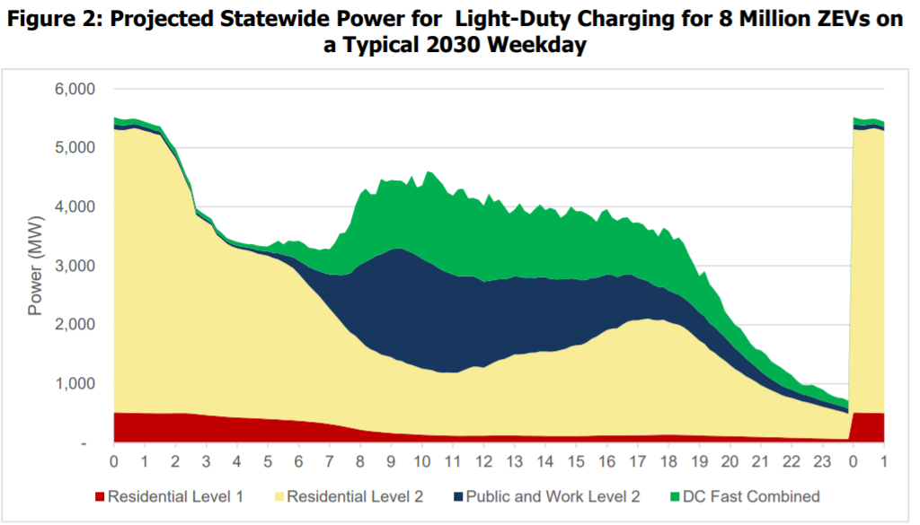
10-Minute Interval Load (MW) for All Light-Duty Weekday Charging Load (Raw data contributing to this figure can be found in sheets for Figures 13, 16, and 19)

Hour | Residential Level 1 | Residential Level 2 | Public and Work Level 2 | DC Fast Combined | Total
- | 512 | 4,800 | 88 | 121 | 5,521
0 | 511 | 4,791 | 84 | 108 | 5,494
0 | 508 | 4,791 | 79 | 99 | 5,477
1 | 506 | 4,812 | 76 | 95 | 5,489
1 | 504 | 4,829 | 72 | 92 | 5,496
1 | 503 | 4,812 | 68 | 91 | 5,474
1 | 502 | 4,785 | 66 | 90 | 5,443
1 | 501 | 4,766 | 62 | 84 | 5,413
1 | 499 | 4,736 | 59 | 90 | 5,384
2 | 499 | 4,719 | 57 | 89 | 5,363
2 | 499 | 4,584 | 54 | 93 | 5,230
2 | 499 | 4,454 | 51 | 88 | 5,092
2 | 500 | 4,329 | 50 | 106 | 4,985
2 | 501 | 4,146 | 47 | 79 | 4,774
2 | 501 | 3,932 | 45 | 72 | 4,551
3 | 495 | 3,755 | 43 | 81 | 4,376
3 | 487 | 3,378 | 42 | 72 | 3,978
3 | 478 | 3,324 | 40 | 68 | 3,909
3 | 469 | 3,277 | 39 | 66 | 3,851
3 | 462 | 3,229 | 39 | 66 | 3,795
3 | 454 | 3,073 | 38 | 67 | 3,633
4 | 447 | 3,007 | 37 | 67 | 3,558
4 | 439 | 2,937 | 37 | 57 | 3,472
4 | 433 | 2,895 | 39 | 67 | 3,434
4 | 429 | 2,870 | 40 | 67 | 3,406
4 | 424 | 2,853 | 43 | 65 | 3,386
4 | 421 | 2,841 | 47 | 60 | 3,368
5 | 417 | 2,823 | 50 | 76 | 3,366
5 | 413 | 2,792 | 55 | 81 | 3,342
5 | 408 | 2,781 | 64 | 77 | 3,330
5 | 404 | 2,767 | 73 | 87 | 3,330
5 | 399 | 2,735 | 86 | 159 | 3,378
5 | 395 | 2,714 | 104 | 214 | 3,427
6 | 389 | 2,674 | 123 | 177 | 3,363
6 | 384 | 2,629 | 153 | 260 | 3,425
6 | 378 | 2,577 | 183 | 276 | 3,415
6 | 372 | 2,489 | 226 | 337 | 3,424
6 | 366 | 2,398 | 271 | 344 | 3,379
6 | 357 | 2,304 | 314 | 331 | 3,306
7 | 350 | 2,225 | 364 | 355 | 3,294
7 | 340 | 2,145 | 421 | 361 | 3,267
7 | 329 | 2,050 | 495 | 417 | 3,290
7 | 318 | 1,958 | 578 | 427 | 3,281
7 | 304 | 1,869 | 679 | 536 | 3,388
7 | 289 | 1,785 | 768 | 707 | 3,548
8 | 272 | 1,695 | 880 | 716 | 3,563
8 | 255 | 1,618 | 999 | 840 | 3,713
8 | 237 | 1,576 | 1,147 | 1,058 | 4,019
8 | 220 | 1,506 | 1,296 | 1,203 | 4,225
8 | 207 | 1,437 | 1,425 | 1,240 | 4,308
8 | 196 | 1,388 | 1,532 | 1,096 | 4,212
9 | 189 | 1,360 | 1,618 | 1,047 | 4,215
9 | 181 | 1,316 | 1,697 | 1,281 | 4,474
9 | 173 | 1,301 | 1,761 | 1,191 | 4,426
9 | 165 | 1,286 | 1,832 | 1,172 | 4,455
9 | 157 | 1,245 | 1,888 | 1,155 | 4,445
9 | 154 | 1,233 | 1,912 | 1,144 | 4,442
10 | 150 | 1,193 | 1,912 | 1,118 | 4,374
10 | 146 | 1,173 | 1,908 | 1,300 | 4,527
10 | 141 | 1,148 | 1,884 | 1,156 | 4,329
10 | 135 | 1,123 | 1,863 | 1,242 | 4,364
10 | 132 | 1,112 | 1,827 | 1,532 | 4,604
10 | 129 | 1,101 | 1,804 | 1,546 | 4,579
11 | 126 | 1,071 | 1,775 | 1,505 | 4,477
11 | 123 | 1,065 | 1,733 | 1,462 | 4,383
11 | 121 | 1,071 | 1,695 | 1,354 | 4,240
11 | 119 | 1,068 | 1,666 | 1,338 | 4,191
11 | 117 | 1,073 | 1,633 | 1,475 | 4,299
11 | 118 | 1,109 | 1,594 | 1,483 | 4,304
12 | 119 | 1,143 | 1,563 | 1,318 | 4,143
12 | 119 | 1,172 | 1,530 | 1,330 | 4,151
12 | 120 | 1,169 | 1,492 | 1,339 | 4,119
12 | 120 | 1,152 | 1,460 | 1,288 | 4,020
12 | 122 | 1,196 | 1,428 | 1,480 | 4,225
12 | 123 | 1,239 | 1,396 | 1,324 | 4,083
13 | 125 | 1,277 | 1,370 | 1,354 | 4,126
13 | 124 | 1,296 | 1,352 | 1,238 | 4,009
13 | 124 | 1,333 | 1,333 | 1,096 | 3,887
13 | 123 | 1,376 | 1,320 | 1,132 | 3,952
13 | 122 | 1,378 | 1,312 | 1,250 | 4,062
13 | 120 | 1,386 | 1,289 | 1,133 | 3,928
14 | 120 | 1,407 | 1,273 | 1,078 | 3,878
14 | 118 | 1,413 | 1,263 | 1,173 | 3,967
14 | 118 | 1,431 | 1,262 | 1,231 | 4,042
14 | 116 | 1,431 | 1,258 | 1,141 | 3,946
14 | 114 | 1,428 | 1,234 | 1,207 | 3,983
14 | 114 | 1,437 | 1,217 | 1,179 | 3,947
15 | 114 | 1,460 | 1,198 | 1,040 | 3,813
15 | 114 | 1,480 | 1,177 | 1,105 | 3,877
15 | 114 | 1,521 | 1,149 | 1,222 | 4,007
15 | 115 | 1,539 | 1,123 | 1,149 | 3,925
15 | 115 | 1,545 | 1,094 | 1,172 | 3,927
15 | 117 | 1,583 | 1,058 | 1,126 | 3,884
16 | 119 | 1,642 | 1,034 | 1,037 | 3,832
16 | 121 | 1,680 | 997 | 947 | 3,745
16 | 122 | 1,738 | 966 | 1,090 | 3,917
16 | 124 | 1,789 | 941 | 1,107 | 3,960
16 | 125 | 1,810 | 911 | 975 | 3,821
16 | 125 | 1,815 | 868 | 955 | 3,763
17 | 126 | 1,877 | 838 | 973 | 3,814
17 | 127 | 1,927 | 806 | 962 | 3,822
17 | 127 | 1,949 | 766 | 883 | 3,726
17 | 129 | 1,949 | 717 | 941 | 3,736
17 | 129 | 1,963 | 677 | 934 | 3,703
17 | 131 | 1,974 | 636 | 864 | 3,605
18 | 132 | 1,951 | 596 | 939 | 3,618
18 | 135 | 1,941 | 566 | 855 | 3,497
18 | 135 | 1,950 | 552 | 1,010 | 3,648
18 | 135 | 1,912 | 533 | 1,009 | 3,590
18 | 135 | 1,885 | 522 | 901 | 3,443
18 | 134 | 1,867 | 507 | 973 | 3,481
19 | 133 | 1,822 | 496 | 924 | 3,375
19 | 131 | 1,760 | 492 | 793 | 3,176
19 | 128 | 1,684 | 488 | 715 | 3,015
19 | 125 | 1,607 | 475 | 620 | 2,827
19 | 122 | 1,555 | 466 | 768 | 2,911
19 | 120 | 1,460 | 447 | 663 | 2,689
20 | 118 | 1,406 | 436 | 621 | 2,582
20 | 116 | 1,336 | 422 | 588 | 2,462
20 | 114 | 1,275 | 399 | 436 | 2,225
20 | 112 | 1,202 | 376 | 418 | 2,109
20 | 110 | 1,137 | 353 | 393 | 1,993
20 | 108 | 1,088 | 326 | 416 | 1,939
21 | 105 | 1,027 | 302 | 379 | 1,813
21 | 102 | 983 | 275 | 318 | 1,679
21 | 101 | 933 | 254 | 304 | 1,591
21 | 99 | 877 | 230 | 360 | 1,567
21 | 96 | 835 | 206 | 355 | 1,493
21 | 95 | 796 | 188 | 305 | 1,383
22 | 92 | 760 | 173 | 298 | 1,323
22 | 90 | 721 | 159 | 301 | 1,270
22 | 87 | 692 | 150 | 274 | 1,204
22 | 85 | 675 | 140 | 246 | 1,146
22 | 83 | 648 | 130 | 192 | 1,052
22 | 81 | 621 | 122 | 157 | 982
23 | 79 | 607 | 116 | 174 | 975
23 | 76 | 585 | 113 | 210 | 984
23 | 74 | 562 | 107 | 197 | 940
23 | 72 | 538 | 102 | 194 | 906
23 | 70 | 519 | 98 | 150 | 838
23 | 68 | 498 | 96 | 131 | 793
24 | 66 | 478 | 93 | 128 | 764
24 | 63 | 458 | 91 | 140 | 753
24 | 62 | 430 | 89 | 130 | 711
24 | 512 | 4,800 | 88 | 121 | 5,521

Figure 6
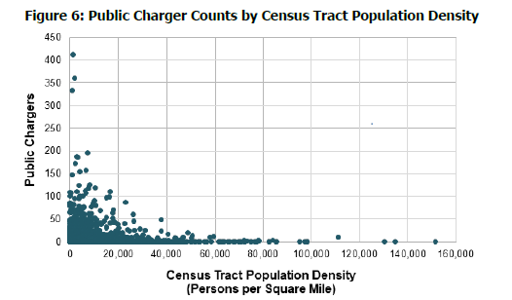
Public Charger Counts by Census Tract Population Density
(Source: U.S. Census Bureau 2014-2018 American Community Survey Total Population 5-Year Estimates and U.S Department of Energy's Alternative Fuels Data Center Station Locator charger data as of July 23, 2020)
Census Tract | 2014-2018 Population | Land Area (sqmi) | Population Density | Level 2 Chargers | DCFCs | Level 2 and DCFCs
6001400100 | 3115 | 2.661918 | 1170.209 | 0 | 0 | 0
6001400200 | 2025 | 0.226473 | 8941.478 | 0 | 0 | 0
6001400300 | 5000 | 0.42697 | 11710.42 | 0 | 0 | 0
6001400400 | 3843 | 0.276301 | 13908.73 | 0 | 0 | 0
6001400500 | 3786 | 0.227918 | 16611.24 | 0 | 0 | 0
6001400600 | 1638 | 0.115003 | 14243.11 | 0 | 0 | 0
6001400700 | 5116 | 0.339888 | 15052.04 | 0 | 0 | 0
6001400800 | 3792 | 0.268819 | 14106.14 | 0 | 0 | 0
6001400900 | 2471 | 0.162501 | 15206.06 | 0 | 0 | 0
6001401000 | 6024 | 0.44183 | 13634.19 | 0 | 0 | 0
6001401100 | 4366 | 0.340925 | 12806.35 | 0 | 0 | 0
6001401200 | 2577 | 0.256227 | 10057.47 | 8 | 0 | 8
6001401300 | 3855 | 0.331454 | 11630.58 | 14 | 0 | 14
6001401400 | 4331 | 0.292745 | 14794.45 | 0 | 0 | 0
6001401500 | 2663 | 0.180596 | 14745.6 | 0 | 0 | 0
6001401600 | 2269 | 0.245588 | 9239.057 | 0 | 0 | 0
6001401700 | 3002 | 2.222928 | 1350.471 | 0 | 0 | 0
6001401800 | 1794 | 0.115302 | 15559.09 | 0 | 0 | 0
6001402200 | 2527 | 0.274935 | 9191.274 | 0 | 0 | 0
6001402400 | 2787 | 0.130146 | 21414.39 | 0 | 0 | 0
6001402500 | 1786 | 0.141103 | 12657.46 | 0 | 0 | 0
6001402600 | 1196 | 0.123107 | 9715.142 | 0 | 0 | 0
6001402700 | 1842 | 0.153985 | 11962.21 | 0 | 0 | 0
6001402800 | 4639 | 0.153789 | 30164.75 | 16 | 0 | 16
6001402900 | 1427 | 0.151274 | 9433.184 | 11 | 0 | 11
6001403000 | 2969 | 0.136061 | 21821.13 | 8 | 2 | 10
6001403100 | 1668 | 0.13392 | 12455.17 | 34 | 8 | 42
6001403300 | 4240 | 0.353608 | 11990.68 | 0 | 1 | 1
6001403400 | 4617 | 0.256462 | 18002.66 | 41 | 2 | 43
6001403501 | 4644 | 0.25864 | 17955.43 | 15 | 0 | 15
6001403502 | 2035 | 0.070449 | 28885.97 | 0 | 4 | 4
6001403600 | 5252 | 0.151156 | 34745.58 | 0 | 0 | 0
6001403701 | 2795 | 0.067161 | 41616.48 | 0 | 0 | 0
6001403702 | 1898 | 0.076874 | 24689.79 | 0 | 0 | 0
6001403800 | 3343 | 0.251912 | 13270.49 | 0 | 0 | 0
6001403900 | 4020 | 0.190387 | 21114.87 | 0 | 0 | 0
6001404000 | 2998 | 0.141693 | 21158.36 | 0 | 0 | 0
6001404101 | 3088 | 0.221522 | 13939.91 | 0 | 0 | 0
6001404102 | 2605 | 0.088871 | 29312.26 | 2 | 0 | 2
6001404200 | 3849 | 1.051747 | 3659.626 | 0 | 0 | 0
6001404300 | 3437 | 0.705542 | 4871.433 | 0 | 0 | 0
6001404400 | 5475 | 1.590615 | 3442.065 | 0 | 0 | 0
6001404501 | 1795 | 0.420051 | 4273.295 | 0 | 0 | 0
6001404502 | 6070 | 1.185892 | 5118.511 | 6 | 0 | 6
6001404600 | 4688 | 1.86404 | 2514.967 | 0 | 0 | 0
6001404700 | 2079 | 0.463388 | 4486.524 | 0 | 0 | 0
6001404800 | 2707 | 0.242629 | 11156.94 | 0 | 0 | 0
6001404900 | 3973 | 0.390419 | 10176.24 | 2 | 0 | 2
6001405000 | 3269 | 0.309027 | 10578.36 | 1 | 0 | 1
6001405100 | 4324 | 0.485149 | 8912.719 | 0 | 0 | 0
6001405200 | 5188 | 0.331322 | 15658.46 | 0 | 0 | 0
6001405301 | 2955 | 0.087936 | 33603.94 | 0 | 0 | 0
6001405302 | 2454 | 0.07937 | 30918.39 | 1 | 3 | 4
6001405401 | 3890 | 0.12121 | 32093.04 | 0 | 0 | 0
6001405402 | 3275 | 0.110181 | 29723.78 | 0 | 0 | 0
6001405500 | 4063 | 0.158967 | 25558.8 | 0 | 0 | 0
6001405600 | 3292 | 0.16555 | 19885.17 | 0 | 0 | 0
6001405700 | 3434 | 0.211144 | 16263.8 | 0 | 0 | 0
6001405800 | 4645 | 0.200407 | 23177.88 | 0 | 0 | 0
6001405901 | 4348 | 0.174744 | 24882.13 | 0 | 0 | 0
6001405902 | 2979 | 0.18814 | 15833.98 | 0 | 0 | 0
6001406000 | 3344 | 0.816216 | 4096.956 | 1 | 2 | 3
6001406100 | 4659 | 0.711855 | 6544.868 | 107 | 0 | 107
6001406201 | 4858 | 0.157559 | 30832.88 | 0 | 0 | 0
6001406202 | 4751 | 0.151422 | 31375.92 | 0 | 0 | 0
6001406300 | 4425 | 0.187536 | 23595.5 | 0 | 0 | 0
6001406400 | 2466 | 0.18841 | 13088.49 | 0 | 0 | 0
6001406500 | 6055 | 0.287648 | 21050.02 | 0 | 0 | 0
6001406601 | 5042 | 0.288573 | 17472.19 | 0 | 0 | 0
6001406602 | 2795 | 0.160126 | 17454.97 | 0 | 0 | 0
6001406700 | 4992 | 0.65009 | 7678.939 | 0 | 0 | 0
6001406800 | 3510 | 0.35233 | 9962.261 | 0 | 0 | 0
6001406900 | 3708 | 0.337116 | 10999.19 | 0 | 0 | 0
6001407000 | 5924 | 0.333182 | 17780.05 | 0 | 0 | 0
6001407101 | 3737 | 0.143181 | 26099.78 | 0 | 0 | 0
6001407102 | 4416 | 0.255161 | 17306.72 | 0 | 0 | 0
6001407200 | 6894 | 0.276091 | 24970.03 | 0 | 0 | 0
6001407300 | 2440 | 0.915416 | 2665.454 | 0 | 0 | 0
6001407400 | 4399 | 0.197488 | 22274.81 | 0 | 0 | 0
6001407500 | 4560 | 0.190928 | 23883.34 | 4 | 0 | 4
6001407600 | 6606 | 0.394871 | 16729.52 | 0 | 0 | 0
6001407700 | 4288 | 0.354441 | 12097.92 | 0 | 0 | 0
6001407800 | 2734 | 0.476717 | 5735.057 | 0 | 0 | 0
6001407900 | 3074 | 0.424363 | 7243.805 | 0 | 0 | 0
6001408000 | 2718 | 0.75509 | 3599.571 | 0 | 0 | 0
6001408100 | 6108 | 3.45004 | 1770.414 | 0 | 0 | 0
6001408200 | 4455 | 0.348173 | 12795.37 | 0 | 0 | 0
6001408300 | 5323 | 0.587521 | 9060.099 | 0 | 0 | 0
6001408400 | 3089 | 0.209522 | 14743.09 | 0 | 0 | 0
6001408500 | 5997 | 0.32099 | 18682.84 | 0 | 0 | 0
6001408600 | 6947 | 0.409824 | 16951.17 | 0 | 0 | 0
6001408700 | 7628 | 0.436796 | 17463.55 | 0 | 0 | 0
6001408800 | 7054 | 0.465004 | 15169.78 | 0 | 0 | 0
6001408900 | 3115 | 0.309812 | 10054.5 | 0 | 0 | 0
6001409000 | 3904 | 6.53319 | 597.5642 | 23 | 17 | 40
6001409100 | 2327 | 0.189402 | 12286.01 | 0 | 0 | 0
6001409200 | 3577 | 0.276758 | 12924.67 | 0 | 0 | 0
6001409300 | 5433 | 0.415553 | 13074.13 | 0 | 0 | 0
6001409400 | 5022 | 0.484024 | 10375.52 | 0 | 0 | 0
6001409500 | 4272 | 0.323018 | 13225.28 | 0 | 0 | 0
6001409600 | 5188 | 0.288603 | 17976.25 | 0 | 0 | 0
6001409700 | 5183 | 0.313246 | 16546.08 | 0 | 0 | 0
6001409800 | 3519 | 0.691133 | 5091.639 | 0 | 0 | 0
6001409900 | 3680 | 1.672807 | 2199.895 | 0 | 0 | 0
6001410000 | 3367 | 2.533705 | 1328.884 | 0 | 0 | 0
6001410100 | 2674 | 0.302872 | 8828.817 | 0 | 0 | 0
6001410200 | 3399 | 0.226196 | 15026.8 | 0 | 0 | 0
6001410300 | 3851 | 0.223293 | 17246.37 | 0 | 0 | 0
6001410400 | 4185 | 0.272822 | 15339.65 | 0 | 0 | 0
6001410500 | 2373 | 0.279723 | 8483.402 | 0 | 0 | 0
6001420100 | 2454 | 0.213312 | 11504.3 | 0 | 0 | 0
6001420200 | 3300 | 0.178837 | 18452.54 | 2 | 0 | 2
6001420300 | 4864 | 0.503321 | 9663.82 | 0 | 0 | 0
6001420400 | 3164 | 0.427982 | 7392.826 | 0 | 0 | 0
6001420500 | 2537 | 0.160731 | 15784.1 | 0 | 0 | 0
6001420600 | 3439 | 0.304807 | 11282.56 | 0 | 0 | 0
6001421100 | 2100 | 0.287843 | 7295.634 | 0 | 0 | 0
6001421200 | 3575 | 0.522839 | 6837.67 | 0 | 0 | 0
6001421300 | 3856 | 0.427275 | 9024.63 | 0 | 0 | 0
6001421400 | 1642 | 0.183313 | 8957.355 | 0 | 0 | 0
6001421500 | 3789 | 0.614164 | 6169.357 | 0 | 0 | 0
6001421600 | 3698 | 0.514855 | 7182.601 | 0 | 0 | 0
6001421700 | 3564 | 0.221555 | 16086.33 | 0 | 0 | 0
6001421800 | 2139 | 0.204046 | 10482.93 | 0 | 0 | 0
6001421900 | 4020 | 0.330156 | 12176.08 | 0 | 0 | 0
6001422000 | 2071 | 1.745018 | 1186.807 | 11 | 2 | 13
6001422100 | 2754 | 0.213107 | 12923.07 | 0 | 0 | 0
6001422200 | 3347 | 0.260624 | 12842.26 | 2 | 0 | 2
6001422300 | 3756 | 0.216236 | 17369.95 | 0 | 0 | 0
6001422400 | 4386 | 0.183618 | 23886.49 | 10 | 0 | 10
6001422500 | 4047 | 0.177737 | 22769.54 | 0 | 0 | 0
6001422600 | 1264 | 0.656099 | 1926.54 | 8 | 0 | 8
6001422700 | 5053 | 0.134402 | 37596.25 | 0 | 0 | 0
6001422800 | 9155 | 0.15775 | 58034.78 | 11 | 0 | 11
6001422900 | 5463 | 0.210149 | 25995.89 | 61 | 0 | 61
6001423000 | 4991 | 0.281886 | 17705.75 | 0 | 0 | 0
6001423100 | 4272 | 0.289055 | 14779.18 | 0 | 0 | 0
6001423200 | 3004 | 0.176362 | 17033.17 | 0 | 0 | 0
6001423300 | 3764 | 0.280551 | 13416.45 | 0 | 0 | 0
6001423400 | 5069 | 0.291678 | 17378.74 | 0 | 0 | 0
6001423500 | 3501 | 0.245463 | 14262.86 | 17 | 0 | 17
6001423601 | 2804 | 0.2021 | 13874.34 | 0 | 0 | 0
6001423602 | 6222 | 0.156195 | 39834.78 | 0 | 0 | 0
6001423700 | 4399 | 0.281349 | 15635.39 | 1 | 0 | 1
6001423800 | 3016 | 0.414078 | 7283.646 | 0 | 0 | 0
6001423901 | 1954 | 0.152746 | 12792.45 | 0 | 0 | 0
6001423902 | 1593 | 0.119394 | 13342.34 | 11 | 1 | 12
6001424001 | 4151 | 0.195958 | 21183.09 | 0 | 0 | 0
6001424002 | 2507 | 0.126339 | 19843.4 | 0 | 0 | 0
6001425101 | 1588 | 0.228138 | 6960.704 | 34 | 0 | 34
6001425102 | 3689 | 0.28386 | 12995.85 | 24 | 14 | 38
6001425103 | 2789 | 0.337776 | 8256.96 | 10 | 0 | 10
6001425104 | 3658 | 0.419778 | 8714.131 | 1 | 3 | 4
6001426100 | 6404 | 1.17528 | 5448.916 | 0 | 0 | 0
6001426200 | 4904 | 0.524408 | 9351.499 | 0 | 0 | 0
6001427100 | 3768 | 0.395925 | 9516.947 | 0 | 2 | 2
6001427200 | 4195 | 0.513387 | 8171.222 | 0 | 4 | 4
6001427300 | 5084 | 0.75312 | 6750.587 | 1 | 0 | 1
6001427600 | 5559 | 0.225045 | 24701.67 | 0 | 0 | 0
6001427700 | 5190 | 0.385837 | 13451.27 | 0 | 0 | 0
6001427800 | 5052 | 0.320908 | 15742.81 | 0 | 0 | 0
6001427900 | 5031 | 0.318619 | 15790 | 0 | 0 | 0
6001428000 | 2593 | 0.202999 | 12773.49 | 6 | 0 | 6
6001428100 | 4968 | 0.384096 | 12934.27 | 0 | 0 | 0
6001428200 | 6643 | 0.525899 | 12631.69 | 0 | 0 | 0
6001428301 | 7118 | 1.659442 | 4289.394 | 14 | 0 | 14
6001428302 | 7501 | 0.862719 | 8694.608 | 0 | 0 | 0
6001428400 | 4653 | 0.312944 | 14868.48 | 2 | 12 | 14
6001428500 | 3152 | 0.241004 | 13078.64 | 0 | 0 | 0
6001428600 | 3471 | 0.347094 | 10000.17 | 0 | 0 | 0
6001428700 | 4484 | 2.993281 | 1498.022 | 0 | 6 | 6
6001430101 | 6955 | 9.843906 | 706.5285 | 0 | 0 | 0
6001430102 | 2393 | 29.9015 | 80.02944 | 0 | 0 | 0
6001430200 | 6677 | 2.057643 | 3244.976 | 0 | 0 | 0
6001430300 | 3812 | 0.985114 | 3869.603 | 0 | 0 | 0
6001430400 | 2167 | 0.940447 | 2304.222 | 0 | 0 | 0
6001430500 | 6049 | 1.006706 | 6008.704 | 9 | 0 | 9
6001430600 | 6624 | 0.873138 | 7586.425 | 0 | 0 | 0
6001430700 | 4140 | 0.51066 | 8107.159 | 0 | 0 | 0
6001430800 | 5232 | 0.697336 | 7502.839 | 0 | 0 | 0
6001430900 | 5359 | 0.423381 | 12657.64 | 6 | 0 | 6
6001431000 | 2912 | 0.368419 | 7904.052 | 3 | 3 | 6
6001431100 | 3587 | 0.379509 | 9451.682 | 0 | 0 | 0
6001431200 | 5827 | 0.78037 | 7466.976 | 2 | 0 | 2
6001432100 | 3739 | 0.426943 | 8757.615 | 0 | 0 | 0
6001432200 | 4443 | 0.395297 | 11239.65 | 0 | 0 | 0
6001432300 | 4719 | 0.403355 | 11699.38 | 0 | 0 | 0
6001432400 | 6583 | 2.484053 | 2650.105 | 9 | 3 | 12
6001432501 | 4851 | 0.526012 | 9222.22 | 2 | 1 | 3
6001432502 | 5272 | 0.315124 | 16729.93 | 0 | 0 | 0
6001432600 | 7314 | 0.646121 | 11319.87 | 4 | 0 | 4
6001432700 | 2852 | 0.319927 | 8914.524 | 0 | 0 | 0
6001432800 | 3835 | 1.494028 | 2566.886 | 0 | 0 | 0
6001433000 | 3661 | 0.511015 | 7164.171 | 0 | 0 | 0
6001433102 | 4297 | 0.5536 | 7761.922 | 7 | 4 | 11
6001433103 | 3993 | 0.266613 | 14976.75 | 0 | 0 | 0
6001433104 | 3608 | 0.406738 | 8870.57 | 0 | 0 | 0
6001433200 | 7625 | 1.225838 | 6220.236 | 0 | 0 | 0
6001433300 | 7743 | 0.948104 | 8166.825 | 12 | 0 | 12
6001433400 | 6244 | 2.113824 | 2953.889 | 2 | 0 | 2
6001433500 | 4723 | 0.476468 | 9912.517 | 0 | 0 | 0
6001433600 | 5722 | 0.605104 | 9456.227 | 8 | 0 | 8
6001433700 | 3539 | 0.506457 | 6987.754 | 0 | 0 | 0
6001433800 | 7849 | 0.618037 | 12699.9 | 0 | 0 | 0
6001433900 | 7440 | 0.315285 | 23597.69 | 0 | 0 | 0
6001434000 | 5156 | 0.466716 | 11047.41 | 0 | 0 | 0
6001435102 | 6245 | 1.63154 | 3827.673 | 50 | 0 | 50
6001435103 | 7400 | 19.99557 | 370.0819 | 2 | 0 | 2
6001435104 | 5826 | 2.795652 | 2083.95 | 0 | 0 | 0
6001435200 | 4529 | 0.871556 | 5196.455 | 0 | 0 | 0
6001435300 | 4757 | 0.497592 | 9560.04 | 2 | 0 | 2
6001435400 | 4320 | 0.513028 | 8420.589 | 10 | 2 | 12
6001435500 | 4102 | 0.390863 | 10494.73 | 0 | 0 | 0
6001435601 | 5718 | 0.365073 | 15662.64 | 0 | 0 | 0
6001435602 | 5590 | 0.441585 | 12658.95 | 0 | 0 | 0
6001435700 | 4923 | 0.513887 | 9579.919 | 0 | 0 | 0
6001435800 | 5510 | 0.505802 | 10893.59 | 0 | 0 | 0
6001435900 | 5525 | 0.934136 | 5914.553 | 0 | 0 | 0
6001436000 | 4745 | 0.507895 | 9342.474 | 0 | 0 | 0
6001436100 | 6146 | 0.485809 | 12651.07 | 3 | 0 | 3
6001436200 | 4360 | 0.248846 | 17520.88 | 0 | 0 | 0
6001436300 | 9279 | 0.707008 | 13124.32 | 14 | 0 | 14
6001436401 | 7776 | 1.203328 | 6462.08 | 0 | 0 | 0
6001436402 | 2665 | 1.645655 | 1619.416 | 0 | 0 | 0
6001436500 | 5206 | 0.759397 | 6855.441 | 2 | 2 | 4
6001436601 | 6685 | 0.418372 | 15978.59 | 0 | 0 | 0
6001436602 | 5256 | 0.345284 | 15222.24 | 3 | 6 | 9
6001436700 | 3290 | 0.308214 | 10674.39 | 0 | 0 | 0
6001436800 | 4335 | 0.395896 | 10949.84 | 30 | 0 | 30
6001436900 | 6513 | 0.466062 | 13974.53 | 2 | 0 | 2
6001437000 | 3497 | 0.616703 | 5670.478 | 4 | 0 | 4
6001437101 | 7343 | 18.93135 | 387.8751 | 21 | 17 | 38
6001437102 | 4885 | 0.335911 | 14542.56 | 1 | 0 | 1
6001437200 | 7495 | 0.986338 | 7598.818 | 20 | 0 | 20
6001437300 | 3258 | 0.396859 | 8209.459 | 4 | 0 | 4
6001437400 | 3428 | 0.331431 | 10343.02 | 2 | 0 | 2
6001437500 | 4586 | 0.244617 | 18747.68 | 0 | 0 | 0
6001437600 | 3755 | 0.316209 | 11875.04 | 0 | 0 | 0
6001437701 | 3597 | 0.186913 | 19244.22 | 2 | 0 | 2
6001437702 | 4469 | 0.143433 | 31157.42 | 2 | 0 | 2
6001437800 | 4730 | 0.492522 | 9603.636 | 10 | 0 | 10
6001437900 | 2384 | 0.260524 | 9150.773 | 0 | 0 | 0
6001438000 | 4119 | 0.939315 | 4385.11 | 0 | 0 | 0
6001438100 | 8080 | 0.774922 | 10426.86 | 0 | 0 | 0
6001438201 | 4926 | 0.379731 | 12972.33 | 2 | 0 | 2
6001438203 | 4118 | 2.041242 | 2017.399 | 0 | 0 | 0
6001438204 | 5483 | 0.575237 | 9531.722 | 0 | 0 | 0
6001438300 | 3887 | 0.330501 | 11760.95 | 0 | 0 | 0
6001438400 | 2568 | 0.665521 | 3858.633 | 0 | 0 | 0
6001440100 | 2660 | 10.68669 | 248.9078 | 0 | 0 | 0
6001440200 | 6261 | 0.448215 | 13968.73 | 0 | 0 | 0
6001440301 | 7579 | 1.654875 | 4579.803 | 0 | 0 | 0
6001440304 | 5163 | 0.377595 | 13673.37 | 0 | 0 | 0
6001440305 | 4286 | 0.358504 | 11955.23 | 0 | 0 | 0
6001440306 | 4341 | 0.260573 | 16659.44 | 0 | 0 | 0
6001440307 | 4488 | 0.542819 | 8267.953 | 0 | 0 | 0
6001440308 | 5856 | 0.709734 | 8250.975 | 0 | 0 | 0
6001440331 | 3275 | 0.717117 | 4566.895 | 1 | 2 | 3
6001440332 | 3393 | 0.878959 | 3860.248 | 4 | 0 | 4
6001440333 | 3186 | 0.970194 | 3283.878 | 10 | 3 | 13
6001440334 | 4750 | 0.395982 | 11995.5 | 0 | 0 | 0
6001440335 | 6772 | 0.774248 | 8746.55 | 0 | 0 | 0
6001440336 | 4529 | 0.440757 | 10275.51 | 0 | 0 | 0
6001441100 | 4327 | 5.84988 | 739.6733 | 0 | 0 | 0
6001441200 | 7473 | 1.251576 | 5970.873 | 0 | 0 | 0
6001441301 | 3323 | 1.271606 | 2613.232 | 0 | 0 | 0
6001441302 | 5902 | 0.770147 | 7663.472 | 0 | 3 | 3
6001441401 | 8702 | 0.729297 | 11932.04 | 0 | 0 | 0
6001441402 | 5436 | 0.63109 | 8613.667 | 0 | 0 | 0
6001441501 | 6570 | 1.013512 | 6482.411 | 0 | 0 | 0
6001441503 | 6834 | 29.92867 | 228.3429 | 91 | 17 | 108
6001441521 | 6170 | 0.660737 | 9338.063 | 0 | 0 | 0
6001441522 | 5373 | 0.504726 | 10645.37 | 0 | 0 | 0
6001441523 | 4267 | 0.180335 | 23661.56 | 0 | 0 | 0
6001441524 | 4428 | 0.648936 | 6823.48 | 0 | 0 | 0
6001441601 | 5093 | 0.498707 | 10212.41 | 0 | 0 | 0
6001441602 | 8069 | 0.649455 | 12424.26 | 0 | 0 | 0
6001441700 | 8120 | 0.860893 | 9432.066 | 0 | 0 | 0
6001441800 | 7359 | 0.787129 | 9349.172 | 0 | 0 | 0
6001441921 | 4084 | 0.326954 | 12491.05 | 0 | 0 | 0
6001441923 | 6465 | 0.581749 | 11113.04 | 35 | 14 | 49
6001441924 | 7625 | 0.843495 | 9039.769 | 0 | 0 | 0
6001441925 | 7165 | 1.159456 | 6179.621 | 12 | 0 | 12
6001441926 | 4570 | 0.157796 | 28961.48 | 0 | 0 | 0
6001441927 | 4512 | 0.251017 | 17974.85 | 2 | 0 | 2
6001442000 | 3232 | 3.137659 | 1030.067 | 0 | 0 | 0
6001442100 | 5303 | 0.709211 | 7477.324 | 0 | 0 | 0
6001442200 | 7196 | 1.625781 | 4426.18 | 0 | 0 | 0
6001442301 | 5148 | 0.55176 | 9330.144 | 0 | 0 | 0
6001442302 | 6012 | 0.367376 | 16364.71 | 0 | 0 | 0
6001442400 | 6647 | 0.611136 | 10876.47 | 0 | 0 | 0
6001442500 | 7748 | 0.756691 | 10239.32 | 0 | 0 | 0
6001442601 | 4175 | 0.456209 | 9151.507 | 0 | 0 | 0
6001442602 | 4883 | 0.509891 | 9576.553 | 0 | 0 | 0
6001442700 | 3118 | 0.476463 | 6544.057 | 0 | 0 | 0
6001442800 | 2836 | 0.493688 | 5744.513 | 3 | 5 | 8
6001442900 | 7814 | 0.797889 | 9793.34 | 0 | 0 | 0
6001443001 | 3046 | 0.296809 | 10262.5 | 0 | 0 | 0
6001443002 | 6745 | 0.610165 | 11054.4 | 0 | 0 | 0
6001443102 | 4881 | 0.914063 | 5339.892 | 0 | 0 | 0
6001443103 | 3937 | 5.993625 | 656.8645 | 12 | 0 | 12
6001443104 | 5620 | 0.713148 | 7880.552 | 0 | 0 | 0
6001443105 | 4588 | 1.270054 | 3612.444 | 0 | 0 | 0
6001443200 | 3886 | 5.273952 | 736.8288 | 0 | 0 | 0
6001443301 | 4343 | 0.609145 | 7129.665 | 0 | 0 | 0
6001443321 | 3315 | 0.215783 | 15362.68 | 0 | 0 | 0
6001443322 | 3313 | 0.443353 | 7472.597 | 0 | 0 | 0
6001444100 | 7696 | 1.141153 | 6744.056 | 0 | 0 | 0
6001444200 | 7028 | 0.799125 | 8794.621 | 4 | 2 | 6
6001444301 | 3789 | 0.994782 | 3808.874 | 2 | 0 | 2
6001444302 | 4692 | 8.614258 | 544.6784 | 0 | 0 | 0
6001444400 | 5242 | 0.396818 | 13210.1 | 0 | 0 | 0
6001444500 | 7352 | 0.756482 | 9718.667 | 0 | 0 | 0
6001444601 | 5741 | 1.179866 | 4865.809 | 0 | 0 | 0
6001444602 | 4736 | 2.079867 | 2277.068 | 23 | 19 | 42
6001450101 | 5573 | 0.682877 | 8161.065 | 6 | 2 | 8
6001450102 | 6041 | 3.701572 | 1632.009 | 10 | 0 | 10
6001450200 | 6100 | 0.625693 | 9749.192 | 0 | 0 | 0
6001450300 | 5301 | 1.184333 | 4475.937 | 19 | 2 | 21
6001450400 | 6879 | 1.184181 | 5809.078 | 6 | 14 | 20
6001450501 | 3130 | 0.449116 | 6969.24 | 2 | 0 | 2
6001450502 | 5880 | 4.285449 | 1372.085 | 2 | 0 | 2
6001450601 | 3633 | 19.36793 | 187.5781 | 0 | 0 | 0
6001450602 | 10096 | 2.432493 | 4150.475 | 98 | 2 | 100
6001450603 | 5308 | 1.534375 | 3459.389 | 0 | 10 | 10
6001450604 | 5577 | 0.815836 | 6835.933 | 0 | 0 | 0
6001450605 | 4010 | 0.683715 | 5865.019 | 11 | 0 | 11
6001450606 | 6303 | 0.783082 | 8048.97 | 0 | 0 | 0
6001450607 | 5971 | 1.863605 | 3204.006 | 22 | 0 | 22
6001450701 | 8663 | 102.4823 | 84.53168 | 0 | 0 | 0
6001450741 | 5575 | 0.809986 | 6882.837 | 0 | 0 | 0
6001450742 | 5226 | 2.803584 | 1864.043 | 3 | 0 | 3
6001450743 | 6692 | 1.673086 | 3999.795 | 34 | 5 | 39
6001450744 | 6055 | 1.022759 | 5920.263 | 14 | 4 | 18
6001450745 | 6286 | 2.062516 | 3047.735 | 0 | 0 | 0
6001450746 | 3596 | 0.669483 | 5371.31 | 0 | 0 | 0
6001450750 | 4842 | 0.641405 | 7549.048 | 8 | 0 | 8
6001450751 | 9787 | 3.85667 | 2537.682 | 3 | 0 | 3
6001450752 | 6642 | 6.726626 | 987.4192 | 7 | 0 | 7
6001451101 | 7804 | 213.2949 | 36.58784 | 0 | 1 | 1
6001451102 | 4036 | 1.743607 | 2314.742 | 0 | 0 | 0
6001451201 | 7557 | 1.413984 | 5344.475 | 0 | 0 | 0
6001451202 | 4972 | 17.69086 | 281.0491 | 34 | 0 | 34
6001451300 | 7126 | 4.60486 | 1547.495 | 13 | 34 | 47
6001451401 | 6066 | 1.788829 | 3391.046 | 0 | 0 | 0
6001451403 | 2281 | 0.2625 | 8689.521 | 0 | 0 | 0
6001451404 | 6762 | 0.646693 | 10456.27 | 0 | 0 | 0
6001451501 | 4751 | 1.950317 | 2436.015 | 4 | 0 | 4
6001451503 | 6158 | 1.03248 | 5964.28 | 0 | 0 | 0
6001451504 | 1724 | 1.253835 | 1374.981 | 2 | 0 | 2
6001451505 | 3351 | 0.530295 | 6319.128 | 0 | 0 | 0
6001451506 | 3457 | 0.328625 | 10519.6 | 0 | 0 | 0
6001451601 | 5806 | 1.519837 | 3820.146 | 0 | 0 | 0
6001451602 | 6786 | 1.163495 | 5832.429 | 0 | 0 | 0
6001451701 | 3181 | 0.472102 | 6737.954 | 0 | 0 | 0
6001451703 | 4331 | 0.658234 | 6579.73 | 0 | 0 | 0
6001451704 | 4446 | 0.774274 | 5742.15 | 0 | 0 | 0
6001981900 | 60 | 1.44456 | 41.53514 | 0 | 0 | 0
6001982000 | 63 | 0.490098 | 128.5457 | 0 | 0 | 0
6001983200 | 622 | 0.190945 | 3257.489 | 2 | 0 | 2
6001990000 | 0 | 3.26E-05 | 0 | 0 | 0 | 0
6003010000 | 1146 | 738.3404 | 1.55213 | 12 | 0 | 12
6005000101 | 3915 | 24.33215 | 160.8982 | 0 | 0 | 0
6005000102 | 1879 | 176.1414 | 10.66756 | 0 | 0 | 0
6005000200 | 4703 | 124.7671 | 37.69422 | 14 | 0 | 14
6005000301 | 4984 | 75.50159 | 66.01185 | 0 | 0 | 0
6005000303 | 5249 | 52.60434 | 99.78264 | 2 | 0 | 2
6005000304 | 4381 | 54.71424 | 80.07056 | 0 | 0 | 0
6005000401 | 4960 | 16.37045 | 302.985 | 5 | 0 | 5
6005000402 | 4729 | 28.27529 | 167.2485 | 0 | 0 | 0
6005000500 | 3029 | 41.86512 | 72.35139 | 2 | 0 | 2
6007000102 | 4159 | 0.998339 | 4165.918 | 6 | 0 | 6
6007000103 | 4801 | 1.196255 | 4013.359 | 2 | 0 | 2
6007000104 | 5387 | 0.985504 | 5466.237 | 0 | 0 | 0
6007000201 | 3982 | 1.321388 | 3013.497 | 0 | 0 | 0
6007000202 | 3568 | 0.655955 | 5439.399 | 0 | 0 | 0
6007000300 | 4784 | 0.984217 | 4860.719 | 0 | 0 | 0
6007000401 | 3709 | 1.718412 | 2158.388 | 0 | 0 | 0
6007000402 | 7837 | 2.411562 | 3249.761 | 0 | 0 | 0
6007000501 | 4296 | 2.104832 | 2041.018 | 0 | 0 | 0
6007000502 | 4230 | 0.431441 | 9804.346 | 0 | 0 | 0
6007000601 | 3402 | 0.69807 | 4873.434 | 0 | 0 | 0
6007000603 | 3653 | 0.427788 | 8539.284 | 0 | 0 | 0
6007000604 | 4396 | 0.403323 | 10899.45 | 0 | 0 | 0
6007000700 | 4482 | 1.219092 | 3676.508 | 0 | 0 | 0
6007000800 | 5647 | 1.532678 | 3684.4 | 0 | 0 | 0
6007000901 | 2639 | 6.410428 | 411.673 | 0 | 0 | 0
6007000903 | 6828 | 2.303656 | 2963.984 | 5 | 16 | 21
6007000904 | 7097 | 1.6849 | 4212.119 | 0 | 0 | 0
6007001000 | 4448 | 0.954109 | 4661.94 | 6 | 0 | 6
6007001100 | 4205 | 2.573444 | 1633.997 | 0 | 0 | 0
6007001200 | 3300 | 3.343237 | 987.0673 | 0 | 0 | 0
6007001300 | 3952 | 1.547677 | 2553.504 | 2 | 0 | 2
6007001400 | 5918 | 122.5155 | 48.30411 | 2 | 0 | 2
6007001500 | 5636 | 135.3532 | 41.63922 | 3 | 0 | 3
6007001600 | 4469 | 215.6485 | 20.72354 | 0 | 0 | 0
6007001702 | 6491 | 13.29428 | 488.2551 | 0 | 0 | 0
6007001703 | 3039 | 1.478823 | 2055.013 | 0 | 0 | 0
6007001704 | 3318 | 125.6697 | 26.40254 | 0 | 0 | 0
6007001800 | 5533 | 4.67491 | 1183.552 | 0 | 0 | 0
6007001900 | 3000 | 3.383266 | 886.7171 | 0 | 0 | 0
6007002000 | 5648 | 2.767626 | 2040.738 | 0 | 0 | 0
6007002100 | 4679 | 3.562921 | 1313.248 | 0 | 0 | 0
6007002200 | 5450 | 52.69625 | 103.4229 | 4 | 0 | 4
6007002300 | 5051 | 29.15871 | 173.2244 | 0 | 0 | 0
6007002400 | 4725 | 427.2559 | 11.05895 | 0 | 0 | 0
6007002500 | 5568 | 49.93178 | 111.5122 | 0 | 0 | 0
6007002601 | 2367 | 7.754085 | 305.2584 | 0 | 0 | 0
6007002602 | 3451 | 7.044407 | 489.8922 | 0 | 0 | 0
6007002700 | 5516 | 5.029772 | 1096.67 | 0 | 0 | 0
6007002800 | 3969 | 1.639025 | 2421.561 | 1 | 0 | 1
6007002900 | 3016 | 2.469308 | 1221.395 | 0 | 0 | 0
6007003001 | 2774 | 0.891088 | 3113.049 | 0 | 0 | 0
6007003002 | 3437 | 6.443976 | 533.3663 | 0 | 0 | 0
6007003100 | 4359 | 4.758461 | 916.0525 | 0 | 0 | 0
6007003200 | 4204 | 15.20703 | 276.4511 | 1 | 0 | 1
6007003300 | 4297 | 119.1035 | 36.07788 | 3 | 0 | 3
6007003400 | 3298 | 15.16103 | 217.5314 | 0 | 0 | 0
6007003501 | 3557 | 11.50304 | 309.2225 | 0 | 0 | 0
6007003502 | 4507 | 47.15799 | 95.57235 | 0 | 0 | 0
6007003600 | 4250 | 127.7512 | 33.26779 | 0 | 0 | 0
6007003700 | 4746 | 41.25878 | 115.0301 | 0 | 0 | 0
6009000120 | 4810 | 166.2731 | 28.92831 | 0 | 0 | 0
6009000121 | 4381 | 59.72686 | 73.35059 | 0 | 0 | 0
6009000122 | 3678 | 62.68384 | 58.67541 | 7 | 0 | 7
6009000210 | 10573 | 94.66447 | 111.6892 | 0 | 0 | 0
6009000220 | 6936 | 99.19298 | 69.9243 | 0 | 0 | 0
6009000300 | 6920 | 176.4525 | 39.21736 | 0 | 0 | 0
6009000400 | 2871 | 179.1054 | 16.02967 | 0 | 0 | 0
6009000501 | 3096 | 24.64608 | 125.6183 | 0 | 0 | 0
6009000503 | 1582 | 18.02203 | 87.78145 | 0 | 0 | 0
6009000504 | 388 | 139.2488 | 2.786379 | 0 | 0 | 0
6011000100 | 5410 | 218.4643 | 24.76377 | 2 | 0 | 2
6011000200 | 5128 | 83.37668 | 61.50401 | 12 | 0 | 12
6011000300 | 6157 | 367.8568 | 16.73749 | 2 | 10 | 12
6011000400 | 2205 | 415.2936 | 5.309497 | 0 | 0 | 0
6011000500 | 2564 | 65.72171 | 39.01298 | 0 | 0 | 0
6013301000 | 4782 | 35.21281 | 135.8028 | 0 | 0 | 0
6013302005 | 7062 | 1.378157 | 5124.234 | 0 | 0 | 0
6013302006 | 3816 | 2.610847 | 1461.595 | 0 | 0 | 0
6013302007 | 6990 | 1.670745 | 4183.763 | 0 | 0 | 0
6013302008 | 8656 | 7.244944 | 1194.764 | 0 | 0 | 0
6013302009 | 7531 | 2.037467 | 3696.255 | 0 | 10 | 10
6013302010 | 11803 | 2.673143 | 4415.402 | 0 | 0 | 0
6013303102 | 9218 | 2.512371 | 3669.045 | 0 | 0 | 0
6013303103 | 13027 | 12.98031 | 1003.597 | 14 | 0 | 14
6013303201 | 11847 | 5.085957 | 2329.355 | 2 | 0 | 2
6013303202 | 7294 | 1.438434 | 5070.793 | 0 | 0 | 0
6013303203 | 10134 | 2.453373 | 4130.639 | 4 | 2 | 6
6013303204 | 4535 | 0.797812 | 5684.299 | 0 | 0 | 0
6013303205 | 8818 | 5.213817 | 1691.275 | 0 | 0 | 0
6013304001 | 4966 | 11.17678 | 444.314 | 24 | 0 | 24
6013304002 | 1483 | 32.79529 | 45.21991 | 3 | 0 | 3
6013304003 | 4044 | 2.868769 | 1409.664 | 0 | 0 | 0
6013304004 | 3935 | 0.701866 | 5606.483 | 0 | 0 | 0
6013304005 | 8623 | 17.80495 | 484.3034 | 0 | 0 | 0
6013305000 | 6106 | 3.12996 | 1950.824 | 4 | 0 | 4
6013306002 | 3587 | 2.90931 | 1232.938 | 2 | 0 | 2
6013306003 | 5115 | 0.692126 | 7390.271 | 0 | 0 | 0
6013306004 | 3891 | 0.64319 | 6049.538 | 0 | 0 | 0
6013307101 | 4340 | 0.827248 | 5246.309 | 0 | 0 | 0
6013307102 | 5273 | 0.61898 | 8518.848 | 0 | 0 | 0
6013307201 | 3785 | 0.606008 | 6245.789 | 2 | 0 | 2
6013307202 | 4305 | 0.271809 | 15838.34 | 3 | 0 | 3
6013307204 | 4238 | 0.579151 | 7317.603 | 0 | 0 | 0
6013307205 | 7276 | 1.190725 | 6110.561 | 0 | 0 | 0
6013308001 | 7534 | 1.439685 | 5233.09 | 1 | 0 | 1
6013308002 | 4646 | 1.520662 | 3055.248 | 0 | 0 | 0
6013309000 | 3564 | 3.824595 | 931.8634 | 4 | 0 | 4
6013310000 | 6078 | 0.764295 | 7952.425 | 0 | 0 | 0
6013311000 | 5348 | 0.626687 | 8533.77 | 6 | 0 | 6
6013312000 | 2352 | 0.551247 | 4266.688 | 6 | 0 | 6
6013313101 | 7055 | 1.383807 | 5098.255 | 0 | 0 | 0
6013313102 | 4310 | 0.752551 | 5727.188 | 0 | 0 | 0
6013313103 | 8974 | 5.404592 | 1660.44 | 0 | 0 | 0
6013313203 | 3299 | 1.19719 | 2755.62 | 0 | 0 | 0
6013313204 | 5711 | 6.569829 | 869.2769 | 0 | 0 | 0
6013313205 | 1676 | 0.572022 | 2929.959 | 0 | 0 | 0
6013313206 | 6129 | 0.668052 | 9174.436 | 0 | 0 | 0
6013314102 | 6379 | 1.809988 | 3524.332 | 0 | 0 | 0
6013314103 | 5717 | 2.194937 | 2604.631 | 0 | 0 | 0
6013314104 | 9047 | 0.896886 | 10087.12 | 3 | 0 | 3
6013314200 | 7323 | 1.886317 | 3882.169 | 0 | 0 | 0
6013315000 | 3762 | 14.93142 | 251.952 | 6 | 0 | 6
6013316000 | 1106 | 0.587909 | 1881.245 | 5 | 0 | 5
6013317000 | 2061 | 0.626034 | 3292.154 | 15 | 0 | 15
6013318000 | 3602 | 4.622424 | 779.2449 | 0 | 0 | 0
6013319000 | 8545 | 1.206932 | 7079.938 | 0 | 0 | 0
6013320001 | 3843 | 5.907999 | 650.4741 | 0 | 0 | 0
6013320003 | 2700 | 0.480816 | 5615.451 | 0 | 2 | 2
6013320004 | 6567 | 2.744415 | 2392.859 | 8 | 0 | 8
6013321101 | 6483 | 1.668107 | 3886.44 | 4 | 0 | 4
6013321102 | 6938 | 2.053559 | 3378.525 | 0 | 0 | 0
6013321103 | 4616 | 2.006885 | 2300.082 | 0 | 0 | 0
6013321200 | 5494 | 0.89166 | 6161.544 | 0 | 1 | 1
6013322000 | 6492 | 1.693767 | 3832.876 | 20 | 0 | 20
6013323000 | 4364 | 0.739969 | 5897.543 | 0 | 0 | 0
6013324001 | 5773 | 0.626582 | 9213.476 | 17 | 2 | 19
6013324002 | 5305 | 0.779751 | 6803.454 | 12 | 0 | 12
6013325000 | 5873 | 1.133637 | 5180.67 | 0 | 0 | 0
6013326000 | 3588 | 0.919183 | 3903.468 | 0 | 0 | 0
6013327000 | 7635 | 3.215047 | 2374.771 | 20 | 23 | 43
6013328000 | 2314 | 0.415025 | 5575.574 | 6 | 0 | 6
6013329000 | 6167 | 1.048331 | 5882.682 | 8 | 0 | 8
6013330000 | 5655 | 0.838388 | 6745.086 | 2 | 0 | 2
6013331000 | 7144 | 1.088312 | 6564.293 | 0 | 0 | 0
6013332000 | 8955 | 1.210008 | 7400.78 | 0 | 0 | 0
6013333101 | 4594 | 0.738428 | 6221.328 | 0 | 0 | 0
6013333102 | 4402 | 0.754858 | 5831.559 | 0 | 0 | 0
6013333200 | 5994 | 0.917562 | 6532.53 | 0 | 0 | 0
6013334001 | 3942 | 0.503455 | 7829.897 | 0 | 0 | 0
6013334004 | 7722 | 1.021057 | 7562.751 | 1 | 3 | 4
6013334006 | 4752 | 0.669868 | 7093.933 | 0 | 0 | 0
6013334200 | 7719 | 2.562954 | 3011.76 | 0 | 0 | 0
6013335000 | 3429 | 0.694333 | 4938.555 | 1 | 0 | 1
6013336101 | 5560 | 0.271219 | 20500.01 | 0 | 0 | 0
6013336102 | 7220 | 0.256251 | 28175.46 | 0 | 0 | 0
6013336201 | 3966 | 0.485161 | 8174.601 | 0 | 0 | 0
6013336202 | 6489 | 0.265495 | 24441.18 | 2 | 0 | 2
6013337100 | 3571 | 1.07074 | 3335.076 | 0 | 0 | 0
6013337200 | 8407 | 1.232547 | 6820.838 | 0 | 0 | 0
6013337300 | 5940 | 1.688695 | 3517.508 | 2 | 0 | 2
6013338101 | 5208 | 0.439616 | 11846.7 | 0 | 0 | 0
6013338102 | 3499 | 0.599409 | 5837.416 | 0 | 0 | 0
6013338201 | 3858 | 1.423619 | 2709.995 | 16 | 0 | 16
6013338203 | 5628 | 0.61761 | 9112.541 | 10 | 0 | 10
6013338204 | 6277 | 1.014136 | 6189.503 | 0 | 0 | 0
6013338301 | 3582 | 0.758676 | 4721.384 | 1 | 2 | 3
6013338302 | 6094 | 2.598032 | 2345.622 | 12 | 0 | 12
6013339001 | 3576 | 0.436731 | 8188.098 | 5 | 24 | 29
6013339002 | 6943 | 0.847063 | 8196.559 | 25 | 1 | 26
6013340001 | 5937 | 1.04807 | 5664.697 | 0 | 0 | 0
6013340002 | 7595 | 2.565564 | 2960.363 | 0 | 0 | 0
6013341000 | 5439 | 1.567697 | 3469.421 | 0 | 0 | 0
6013343001 | 4499 | 1.008472 | 4461.203 | 0 | 0 | 0
6013343002 | 4951 | 1.317309 | 3758.42 | 0 | 0 | 0
6013343003 | 3836 | 2.261513 | 1696.21 | 0 | 0 | 0
6013345101 | 5731 | 0.821372 | 6977.352 | 0 | 0 | 0
6013345102 | 3743 | 0.65495 | 5714.938 | 0 | 0 | 0
6013345103 | 4914 | 1.290801 | 3806.938 | 0 | 0 | 0
6013345105 | 6616 | 1.427589 | 4634.388 | 3 | 3 | 6
6013345108 | 7506 | 2.78227 | 2697.797 | 30 | 12 | 42
6013345111 | 5269 | 0.893391 | 5897.755 | 17 | 0 | 17
6013345112 | 6595 | 3.240998 | 2034.867 | 0 | 0 | 0
6013345113 | 4566 | 2.067742 | 2208.206 | 0 | 0 | 0
6013345114 | 6633 | 2.226394 | 2979.257 | 7 | 0 | 7
6013345115 | 5931 | 6.167585 | 961.6406 | 3 | 0 | 3
6013345116 | 2809 | 0.492233 | 5706.644 | 0 | 0 | 0
6013345202 | 7501 | 2.895117 | 2590.914 | 5 | 20 | 25
6013345203 | 6755 | 10.83742 | 623.3036 | 8 | 2 | 10
6013345204 | 3842 | 4.815863 | 797.7802 | 0 | 0 | 0
6013346101 | 3267 | 3.370473 | 969.3002 | 0 | 0 | 0
6013346102 | 5574 | 7.82568 | 712.2704 | 0 | 0 | 0
6013346201 | 7446 | 6.251859 | 1191.006 | 0 | 0 | 0
6013346203 | 3935 | 1.107449 | 3553.212 | 0 | 0 | 0
6013346204 | 7512 | 5.031485 | 1492.998 | 0 | 0 | 0
6013347000 | 6206 | 10.23219 | 606.5174 | 0 | 0 | 0
6013348000 | 5100 | 3.798898 | 1342.495 | 0 | 0 | 0
6013349000 | 5598 | 1.364011 | 4104.072 | 2 | 2 | 4
6013350000 | 6203 | 3.312439 | 1872.638 | 4 | 0 | 4
6013351101 | 2646 | 0.938076 | 2820.668 | 0 | 0 | 0
6013351102 | 3664 | 0.848832 | 4316.517 | 10 | 0 | 10
6013351103 | 1924 | 1.163668 | 1653.392 | 20 | 0 | 20
6013351200 | 6191 | 3.492061 | 1772.879 | 0 | 0 | 0
6013352101 | 3338 | 4.55628 | 732.6153 | 0 | 0 | 0
6013352102 | 5873 | 9.038875 | 649.749 | 0 | 0 | 0
6013352201 | 6487 | 2.67428 | 2425.7 | 0 | 0 | 0
6013352202 | 2837 | 5.327757 | 532.4943 | 0 | 0 | 0
6013353001 | 3880 | 5.298694 | 732.2558 | 0 | 0 | 0
6013353002 | 4353 | 1.965464 | 2214.744 | 0 | 0 | 0
6013354001 | 2121 | 5.313391 | 399.1801 | 0 | 0 | 0
6013354002 | 7110 | 5.621229 | 1264.848 | 0 | 0 | 0
6013355107 | 5432 | 31.65037 | 171.6251 | 0 | 0 | 0
6013355108 | 13712 | 8.435597 | 1625.493 | 0 | 0 | 0
6013355109 | 7073 | 1.172509 | 6032.365 | 2 | 0 | 2
6013355110 | 4214 | 0.691714 | 6092.109 | 0 | 2 | 2
6013355111 | 6059 | 0.938889 | 6453.371 | 0 | 0 | 0
6013355112 | 5492 | 98.03338 | 56.02174 | 2 | 0 | 2
6013355113 | 5134 | 2.056559 | 2496.403 | 2 | 0 | 2
6013355114 | 11597 | 3.049273 | 3803.202 | 0 | 0 | 0
6013355115 | 7865 | 0.887366 | 8863.309 | 1 | 0 | 1
6013355116 | 8342 | 5.724578 | 1457.225 | 0 | 0 | 0
6013355117 | 7506 | 3.038837 | 2470.024 | 0 | 0 | 0
6013355200 | 11313 | 11.74822 | 962.9541 | 0 | 0 | 0
6013355301 | 8542 | 3.483958 | 2451.809 | 6 | 0 | 6
6013355302 | 3407 | 2.902642 | 1173.758 | 0 | 0 | 0
6013355304 | 8585 | 3.789264 | 2265.611 | 0 | 0 | 0
6013355306 | 5073 | 26.00261 | 195.0958 | 0 | 0 | 0
6013356001 | 4480 | 6.094461 | 735.0937 | 0 | 0 | 0
6013356002 | 5438 | 40.90924 | 132.9284 | 0 | 0 | 0
6013357000 | 3170 | 4.311012 | 735.3262 | 0 | 0 | 0
6013358000 | 6195 | 2.660694 | 2328.34 | 0 | 0 | 0
6013359102 | 5989 | 0.795333 | 7530.176 | 0 | 0 | 0
6013359103 | 5019 | 0.982364 | 5109.102 | 0 | 3 | 3
6013359104 | 2000 | 0.241626 | 8277.241 | 0 | 0 | 0
6013359105 | 5054 | 0.657641 | 7685.043 | 0 | 0 | 0
6013359202 | 5972 | 3.748356 | 1593.232 | 0 | 0 | 0
6013359203 | 7304 | 1.439413 | 5074.29 | 0 | 0 | 0
6013359204 | 4907 | 1.319343 | 3719.276 | 0 | 0 | 0
6013360101 | 4873 | 1.516156 | 3214.049 | 0 | 0 | 0
6013360102 | 4318 | 2.405299 | 1795.203 | 0 | 0 | 0
6013360200 | 4843 | 0.867059 | 5585.545 | 0 | 0 | 0
6013361000 | 5129 | 6.175061 | 830.599 | 0 | 0 | 0
6013362000 | 2835 | 0.506865 | 5593.208 | 0 | 0 | 0
6013363000 | 7250 | 1.70248 | 4258.492 | 0 | 0 | 0
6013364002 | 5980 | 0.770262 | 7763.59 | 0 | 0 | 0
6013365002 | 5739 | 2.244785 | 2556.592 | 2 | 0 | 2
6013365003 | 5236 | 1.023867 | 5113.945 | 2 | 0 | 2
6013366001 | 4540 | 0.392652 | 11562.4 | 0 | 0 | 0
6013366002 | 6342 | 0.399512 | 15874.37 | 0 | 0 | 0
6013367100 | 5193 | 0.666011 | 7797.166 | 10 | 0 | 10
6013367200 | 5727 | 0.510458 | 11219.33 | 1 | 0 | 1
6013368001 | 4912 | 0.296722 | 16554.23 | 0 | 0 | 0
6013368002 | 3659 | 0.254429 | 14381.23 | 0 | 0 | 0
6013369001 | 7336 | 0.625631 | 11725.76 | 15 | 0 | 15
6013369002 | 2782 | 0.58277 | 4773.754 | 0 | 0 | 0
6013370000 | 2814 | 0.385853 | 7292.929 | 0 | 0 | 0
6013371000 | 5892 | 0.508412 | 11589.03 | 0 | 0 | 0
6013372000 | 7703 | 0.600728 | 12822.78 | 0 | 0 | 0
6013373000 | 4248 | 0.319474 | 13296.88 | 0 | 0 | 0
6013374000 | 4893 | 0.383049 | 12773.81 | 8 | 4 | 12
6013375000 | 4617 | 0.25322 | 18233.16 | 0 | 0 | 0
6013376000 | 5653 | 0.472598 | 11961.54 | 8 | 0 | 8
6013377000 | 7040 | 0.485055 | 14513.83 | 0 | 0 | 0
6013378000 | 3284 | 6.536075 | 502.4422 | 0 | 0 | 0
6013379000 | 6831 | 0.650434 | 10502.22 | 0 | 0 | 0
6013380000 | 6376 | 2.387526 | 2670.547 | 13 | 13 | 26
6013381000 | 6632 | 0.757491 | 8755.217 | 1 | 4 | 5
6013382000 | 7809 | 0.762948 | 10235.3 | 0 | 2 | 2
6013383000 | 4755 | 0.519206 | 9158.216 | 0 | 16 | 16
6013384000 | 3872 | 0.624117 | 6203.965 | 0 | 0 | 0
6013385100 | 2953 | 0.901145 | 3276.944 | 0 | 0 | 0
6013385200 | 1254 | 0.246546 | 5086.281 | 0 | 0 | 0
6013386000 | 3666 | 0.37613 | 9746.637 | 0 | 0 | 0
6013387000 | 2975 | 0.309417 | 9614.853 | 1 | 0 | 1
6013388000 | 2532 | 0.254271 | 9957.865 | 0 | 0 | 0
6013389100 | 2196 | 0.261259 | 8405.442 | 0 | 14 | 14
6013389200 | 1868 | 0.095208 | 19620.3 | 0 | 0 | 0
6013390100 | 2465 | 0.389854 | 6322.884 | 0 | 0 | 0
6013390200 | 1667 | 0.239284 | 6966.619 | 0 | 0 | 0
6013391000 | 2749 | 0.534004 | 5147.902 | 0 | 0 | 0
6013392000 | 2666 | 0.412559 | 6462.104 | 0 | 0 | 0
6013392200 | 12241 | 4.490104 | 2726.217 | 0 | 0 | 0
6013392300 | 3119 | 0.811644 | 3842.817 | 0 | 0 | 0
6013990000 | 0 | 1.90E-05 | 0 | 0 | 0 | 0
6015000101 | 3961 | 1.024306 | 3867.009 | 0 | 6 | 6
6015000102 | 3418 | 8.655352 | 394.9002 | 8 | 4 | 12
6015000104 | 2334 | 0.784056 | 2976.829 | 0 | 4 | 4
6015000105 | 6676 | 13.35873 | 499.7482 | 0 | 0 | 0
6015000201 | 6145 | 35.532 | 172.9427 | 0 | 0 | 0
6015000202 | 3666 | 804.5049 | 4.55684 | 2 | 2 | 4
6015000203 | 1224 | 142.3686 | 8.597399 | 2 | 4 | 6
6015990000 | 0 | 5.48E-05 | 0 | 0 | 0 | 0
6017030200 | 5146 | 3.640903 | 1413.386 | 8 | 0 | 8
6017030301 | 2814 | 0.437906 | 6426.042 | 0 | 0 | 0
6017030302 | 2519 | 1.251517 | 2012.757 | 0 | 0 | 0
6017030401 | 3723 | 1.845427 | 2017.42 | 2 | 0 | 2
6017030402 | 4222 | 4.245774 | 994.4005 | 0 | 2 | 2
6017030502 | 2693 | 6.660829 | 404.304 | 0 | 0 | 0
6017030504 | 2425 | 11.51548 | 210.5861 | 0 | 0 | 0
6017030505 | 2456 | 57.48448 | 42.72458 | 0 | 0 | 0
6017030601 | 5270 | 63.58376 | 82.8828 | 0 | 0 | 0
6017030602 | 7256 | 138.0041 | 52.57815 | 0 | 0 | 0
6017030603 | 3337 | 470.7266 | 7.089041 | 0 | 2 | 2
6017030701 | 6275 | 5.184193 | 1210.41 | 0 | 0 | 0
6017030704 | 8905 | 55.24196 | 161.1999 | 8 | 0 | 8
6017030706 | 6223 | 3.185399 | 1953.601 | 0 | 0 | 0
6017030709 | 4882 | 5.47347 | 891.9388 | 0 | 0 | 0
6017030710 | 5067 | 3.043871 | 1664.656 | 4 | 0 | 4
6017030801 | 4667 | 23.85847 | 195.6119 | 0 | 0 | 0
6017030803 | 7363 | 9.473929 | 777.1855 | 6 | 0 | 6
6017030804 | 6764 | 26.55866 | 254.6816 | 0 | 0 | 0
6017030807 | 4127 | 1.858171 | 2221.002 | 2 | 0 | 2
6017030808 | 6432 | 2.229984 | 2884.326 | 0 | 0 | 0
6017030809 | 2482 | 0.851946 | 2913.33 | 0 | 0 | 0
6017030810 | 3821 | 0.981419 | 3893.342 | 0 | 0 | 0
6017030901 | 3261 | 25.07114 | 130.0699 | 4 | 0 | 4
6017030902 | 4781 | 19.53039 | 244.798 | 18 | 0 | 18
6017031000 | 5908 | 10.40538 | 567.7834 | 19 | 2 | 21
6017031100 | 5073 | 14.19876 | 357.2847 | 2 | 0 | 2
6017031200 | 5476 | 8.057304 | 679.6318 | 4 | 18 | 22
6017031301 | 3490 | 17.96153 | 194.3042 | 2 | 0 | 2
6017031302 | 4858 | 12.85635 | 377.8678 | 1 | 4 | 5
6017031402 | 6067 | 304.6083 | 19.91738 | 1 | 0 | 1
6017031404 | 2391 | 15.87756 | 150.5899 | 0 | 0 | 0
6017031405 | 2396 | 10.9172 | 219.4702 | 0 | 0 | 0
6017031406 | 5438 | 29.92382 | 181.7282 | 0 | 0 | 0
6017031502 | 6234 | 10.2015 | 611.0865 | 1 | 0 | 1
6017031503 | 2534 | 38.3619 | 66.05513 | 0 | 0 | 0
6017031504 | 5678 | 22.8492 | 248.4988 | 0 | 0 | 0
6017031600 | 3317 | 3.060314 | 1083.876 | 20 | 1 | 21
6017031700 | 3067 | 1.464442 | 2094.314 | 0 | 0 | 0
6017031800 | 6914 | 3.077213 | 2246.838 | 0 | 4 | 4
6017031900 | 75 | 190.6069 | 0.39348 | 2 | 2 | 4
6017032000 | 834 | 71.47479 | 11.66845 | 0 | 0 | 0
6017990000 | 0 | 2.08E-05 | 0 | 0 | 0 | 0
6019000100 | 3413 | 0.325657 | 10480.36 | 10 | 0 | 10
6019000200 | 2870 | 0.767624 | 3738.81 | 0 | 2 | 2
6019000300 | 3936 | 0.728793 | 5400.713 | 0 | 0 | 0
6019000400 | 5958 | 1.314061 | 4534.037 | 0 | 0 | 0
6019000501 | 2455 | 0.260484 | 9424.78 | 0 | 0 | 0
6019000502 | 3544 | 0.456033 | 7771.365 | 0 | 0 | 0
6019000600 | 5168 | 0.951538 | 5431.206 | 7 | 0 | 7
6019000700 | 3646 | 3.118184 | 1169.27 | 0 | 0 | 0
6019000800 | 1254 | 2.953671 | 424.5564 | 0 | 0 | 0
6019000901 | 3087 | 0.754675 | 4090.501 | 0 | 0 | 0
6019000902 | 4791 | 0.760815 | 6297.193 | 0 | 0 | 0
6019001000 | 4231 | 1.889959 | 2238.672 | 0 | 0 | 0
6019001100 | 2760 | 1.448404 | 1905.546 | 0 | 0 | 0
6019001201 | 5532 | 2.216755 | 2495.54 | 0 | 0 | 0
6019001202 | 4934 | 1.313497 | 3756.384 | 0 | 0 | 0
6019001301 | 5327 | 0.756525 | 7041.405 | 0 | 0 | 0
6019001303 | 2541 | 0.248427 | 10228.34 | 0 | 0 | 0
6019001304 | 5166 | 0.504946 | 10230.8 | 0 | 0 | 0
6019001407 | 4669 | 0.499011 | 9356.508 | 0 | 0 | 0
6019001408 | 2744 | 0.470546 | 5831.522 | 0 | 0 | 0
6019001409 | 2064 | 0.960585 | 2148.691 | 0 | 0 | 0
6019001410 | 11815 | 3.042323 | 3883.546 | 0 | 0 | 0
6019001411 | 6857 | 0.969113 | 7075.545 | 0 | 0 | 0
6019001412 | 3036 | 1.853401 | 1638.07 | 0 | 0 | 0
6019001413 | 6242 | 4.018615 | 1553.271 | 20 | 0 | 20
6019001414 | 8338 | 2.444146 | 3411.417 | 0 | 0 | 0
6019001500 | 2475 | 14.7322 | 167.9993 | 2 | 0 | 2
6019001600 | 5296 | 19.77454 | 267.8191 | 2 | 0 | 2
6019001700 | 6691 | 28.33671 | 236.1248 | 1 | 0 | 1
6019001800 | 4799 | 22.0467 | 217.6743 | 0 | 0 | 0
6019001900 | 2787 | 25.7012 | 108.4385 | 0 | 0 | 0
6019002000 | 6607 | 2.124644 | 3109.697 | 0 | 0 | 0
6019002100 | 6004 | 0.705025 | 8516.007 | 0 | 0 | 0
6019002200 | 3624 | 0.510702 | 7096.114 | 0 | 0 | 0
6019002300 | 3585 | 0.577706 | 6205.574 | 0 | 0 | 0
6019002400 | 4215 | 0.944586 | 4462.271 | 20 | 0 | 20
6019002501 | 5175 | 0.505169 | 10244.09 | 0 | 0 | 0
6019002502 | 4221 | 0.499665 | 8447.663 | 0 | 0 | 0
6019002601 | 5248 | 0.504827 | 10395.63 | 0 | 0 | 0
6019002602 | 3758 | 0.50344 | 7464.647 | 0 | 0 | 0
6019002701 | 4168 | 0.502229 | 8298.996 | 0 | 0 | 0
6019002702 | 5291 | 0.505195 | 10473.18 | 0 | 0 | 0
6019002800 | 4500 | 1.019627 | 4413.377 | 0 | 0 | 0
6019002903 | 4282 | 0.498935 | 8582.285 | 0 | 0 | 0
6019002904 | 3003 | 0.50486 | 5948.182 | 0 | 0 | 0
6019002905 | 2978 | 0.478798 | 6219.737 | 0 | 0 | 0
6019002906 | 5317 | 0.530135 | 10029.51 | 16 | 0 | 16
6019003001 | 3249 | 1.0114 | 3212.378 | 0 | 0 | 0
6019003003 | 4679 | 0.509423 | 9184.897 | 0 | 0 | 0
6019003004 | 2589 | 0.50439 | 5132.936 | 0 | 0 | 0
6019003102 | 7550 | 0.874345 | 8635.036 | 0 | 4 | 4
6019003103 | 5262 | 0.598143 | 8797.228 | 0 | 0 | 0
6019003104 | 3848 | 3.834456 | 1003.532 | 6 | 0 | 6
6019003201 | 5139 | 0.631571 | 8136.848 | 0 | 0 | 0
6019003202 | 5698 | 0.620152 | 9188.065 | 0 | 0 | 0
6019003301 | 3120 | 0.504987 | 6178.376 | 0 | 0 | 0
6019003302 | 4854 | 0.501434 | 9680.244 | 0 | 0 | 0
6019003400 | 5161 | 0.740326 | 6971.253 | 0 | 0 | 0
6019003500 | 5382 | 1.001914 | 5371.718 | 10 | 0 | 10
6019003600 | 4368 | 0.752202 | 5806.954 | 0 | 0 | 0
6019003701 | 3476 | 0.433028 | 8027.203 | 7 | 0 | 7
6019003702 | 4798 | 0.565215 | 8488.803 | 0 | 0 | 0
6019003803 | 10005 | 10.26058 | 975.0911 | 2 | 0 | 2
6019003804 | 6180 | 1.000609 | 6176.238 | 0 | 0 | 0
6019003805 | 7011 | 0.868596 | 8071.643 | 0 | 0 | 0
6019003807 | 3430 | 1.705916 | 2010.649 | 0 | 0 | 0
6019003808 | 4989 | 1.765817 | 2825.321 | 0 | 0 | 0
6019003809 | 5180 | 1.073143 | 4826.941 | 0 | 0 | 0
6019003810 | 5725 | 1.000054 | 5724.688 | 0 | 0 | 0
6019003900 | 6113 | 176.3093 | 34.67203 | 0 | 0 | 0
6019004001 | 8184 | 8.090616 | 1011.542 | 8 | 0 | 8
6019004002 | 7398 | 7.984497 | 926.5455 | 0 | 0 | 0
6019004100 | 3145 | 30.13647 | 104.3586 | 0 | 0 | 0
6019004205 | 6102 | 1.966661 | 3102.721 | 0 | 0 | 0
6019004207 | 10735 | 6.634839 | 1617.975 | 0 | 0 | 0
6019004208 | 7826 | 2.150243 | 3639.589 | 4 | 0 | 4
6019004210 | 3719 | 0.673268 | 5523.806 | 6 | 0 | 6
6019004211 | 6588 | 0.87238 | 7551.755 | 0 | 0 | 0
6019004212 | 12649 | 1.836952 | 6885.863 | 8 | 3 | 11
6019004213 | 3659 | 0.453016 | 8076.976 | 0 | 0 | 0
...

Figure 10
10-minute interval data for number of charging events for TNC drivers compared to non-TNC drivers in Los Angeles, San Diego, and San Francisco
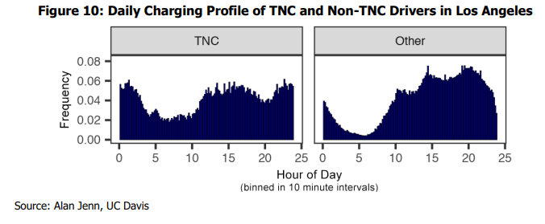
City | Type | Hour | Number Charging Events
Los Angeles | TNC | - | 397
Los Angeles | TNC | 0 | 372
Los Angeles | TNC | 0 | 385
Los Angeles | TNC | 1 | 318
Los Angeles | TNC | 1 | 390
Los Angeles | TNC | 1 | 391
Los Angeles | TNC | 1 | 392
Los Angeles | TNC | 1 | 388
Los Angeles | TNC | 1 | 417
Los Angeles | TNC | 2 | 366
Los Angeles | TNC | 2 | 384
Los Angeles | TNC | 2 | 347
Los Angeles | TNC | 2 | 344
Los Angeles | TNC | 2 | 324
Los Angeles | TNC | 2 | 325
Los Angeles | TNC | 3 | 326
Los Angeles | TNC | 3 | 288
Los Angeles | TNC | 3 | 310
Los Angeles | TNC | 3 | 266
Los Angeles | TNC | 3 | 235
Los Angeles | TNC | 3 | 226
Los Angeles | TNC | 4 | 198
Los Angeles | TNC | 4 | 216
Los Angeles | TNC | 4 | 178
Los Angeles | TNC | 4 | 160
Los Angeles | TNC | 4 | 170
Los Angeles | TNC | 4 | 182
Los Angeles | TNC | 5 | 181
Los Angeles | TNC | 5 | 199
Los Angeles | TNC | 5 | 195
Los Angeles | TNC | 5 | 206
Los Angeles | TNC | 5 | 201
Los Angeles | TNC | 5 | 178
Los Angeles | TNC | 6 | 162
Los Angeles | TNC | 6 | 136
Los Angeles | TNC | 6 | 165
Los Angeles | TNC | 6 | 129
Los Angeles | TNC | 6 | 140
Los Angeles | TNC | 6 | 146
Los Angeles | TNC | 7 | 137
Los Angeles | TNC | 7 | 145
Los Angeles | TNC | 7 | 120
Los Angeles | TNC | 7 | 148
Los Angeles | TNC | 7 | 139
Los Angeles | TNC | 7 | 144
Los Angeles | TNC | 8 | 149
Los Angeles | TNC | 8 | 161
Los Angeles | TNC | 8 | 158
Los Angeles | TNC | 8 | 161
Los Angeles | TNC | 8 | 144
Los Angeles | TNC | 8 | 171
Los Angeles | TNC | 9 | 189
Los Angeles | TNC | 9 | 157
Los Angeles | TNC | 9 | 168
Los Angeles | TNC | 9 | 152
Los Angeles | TNC | 9 | 146
Los Angeles | TNC | 9 | 170
Los Angeles | TNC | 10 | 167
Los Angeles | TNC | 10 | 164
Los Angeles | TNC | 10 | 149
Los Angeles | TNC | 10 | 179
Los Angeles | TNC | 10 | 185
Los Angeles | TNC | 10 | 184
Los Angeles | TNC | 11 | 210
Los Angeles | TNC | 11 | 220
Los Angeles | TNC | 11 | 207
Los Angeles | TNC | 11 | 268
Los Angeles | TNC | 11 | 278
Los Angeles | TNC | 11 | 283
Los Angeles | TNC | 12 | 303
Los Angeles | TNC | 12 | 317
Los Angeles | TNC | 12 | 314
Los Angeles | TNC | 12 | 318
Los Angeles | TNC | 12 | 351
Los Angeles | TNC | 12 | 343
Los Angeles | TNC | 13 | 337
Los Angeles | TNC | 13 | 311
Los Angeles | TNC | 13 | 311
Los Angeles | TNC | 13 | 320
Los Angeles | TNC | 13 | 347
Los Angeles | TNC | 13 | 402
Los Angeles | TNC | 14 | 349
Los Angeles | TNC | 14 | 333
Los Angeles | TNC | 14 | 338
Los Angeles | TNC | 14 | 313
Los Angeles | TNC | 14 | 313
Los Angeles | TNC | 14 | 360
Los Angeles | TNC | 15 | 334
Los Angeles | TNC | 15 | 343
Los Angeles | TNC | 15 | 355
Los Angeles | TNC | 15 | 396
Los Angeles | TNC | 15 | 339
Los Angeles | TNC | 15 | 362
Los Angeles | TNC | 16 | 361
Los Angeles | TNC | 16 | 414
Los Angeles | TNC | 16 | 352
Los Angeles | TNC | 16 | 364
Los Angeles | TNC | 16 | 358
Los Angeles | TNC | 16 | 387
Los Angeles | TNC | 17 | 364
Los Angeles | TNC | 17 | 358
Los Angeles | TNC | 17 | 350
Los Angeles | TNC | 17 | 392
Los Angeles | TNC | 17 | 334
Los Angeles | TNC | 17 | 325
Los Angeles | TNC | 18 | 358
Los Angeles | TNC | 18 | 360
Los Angeles | TNC | 18 | 350
Los Angeles | TNC | 18 | 328
Los Angeles | TNC | 18 | 312
Los Angeles | TNC | 18 | 335
Los Angeles | TNC | 19 | 329
Los Angeles | TNC | 19 | 327
Los Angeles | TNC | 19 | 288
Los Angeles | TNC | 19 | 280
Los Angeles | TNC | 19 | 289
Los Angeles | TNC | 19 | 269
Los Angeles | TNC | 20 | 260
Los Angeles | TNC | 20 | 289
Los Angeles | TNC | 20 | 260
Los Angeles | TNC | 20 | 269
Los Angeles | TNC | 20 | 274
Los Angeles | TNC | 20 | 276
Los Angeles | TNC | 21 | 264
Los Angeles | TNC | 21 | 287
Los Angeles | TNC | 21 | 263
Los Angeles | TNC | 21 | 297
Los Angeles | TNC | 21 | 322
Los Angeles | TNC | 21 | 351
Los Angeles | TNC | 22 | 342
Los Angeles | TNC | 22 | 341
Los Angeles | TNC | 22 | 332
Los Angeles | TNC | 22 | 356
Los Angeles | TNC | 22 | 352
Los Angeles | TNC | 22 | 391
Los Angeles | TNC | 23 | 410
Los Angeles | TNC | 23 | 389
Los Angeles | TNC | 23 | 376
Los Angeles | TNC | 23 | 369
Los Angeles | TNC | 23 | 363
Los Angeles | TNC | 23 | 395
Los Angeles | TNC | 24 | 389
Los Angeles | TNC | 24 | 376
Los Angeles | TNC | 24 | 362
San Diego | TNC | - | 191
San Diego | TNC | 0 | 188
San Diego | TNC | 0 | 162
San Diego | TNC | 1 | 199
San Diego | TNC | 1 | 171
San Diego | TNC | 1 | 151
San Diego | TNC | 1 | 160
San Diego | TNC | 1 | 169
San Diego | TNC | 1 | 166
San Diego | TNC | 2 | 206
San Diego | TNC | 2 | 164
San Diego | TNC | 2 | 188
San Diego | TNC | 2 | 182
San Diego | TNC | 2 | 185
San Diego | TNC | 2 | 220
San Diego | TNC | 3 | 182
San Diego | TNC | 3 | 179
San Diego | TNC | 3 | 172
San Diego | TNC | 3 | 136
San Diego | TNC | 3 | 109
San Diego | TNC | 3 | 118
San Diego | TNC | 4 | 80
San Diego | TNC | 4 | 90
San Diego | TNC | 4 | 92
San Diego | TNC | 4 | 83
San Diego | TNC | 4 | 103
San Diego | TNC | 4 | 97
San Diego | TNC | 5 | 112
San Diego | TNC | 5 | 100
San Diego | TNC | 5 | 113
San Diego | TNC | 5 | 125
San Diego | TNC | 5 | 141
San Diego | TNC | 5 | 135
San Diego | TNC | 6 | 106
San Diego | TNC | 6 | 109
San Diego | TNC | 6 | 91
San Diego | TNC | 6 | 93
San Diego | TNC | 6 | 78
San Diego | TNC | 6 | 70
San Diego | TNC | 7 | 66
San Diego | TNC | 7 | 62
San Diego | TNC | 7 | 58
San Diego | TNC | 7 | 68
San Diego | TNC | 7 | 60
San Diego | TNC | 7 | 75
San Diego | TNC | 8 | 98
San Diego | TNC | 8 | 83
San Diego | TNC | 8 | 107
San Diego | TNC | 8 | 94
San Diego | TNC | 8 | 133
San Diego | TNC | 8 | 128
San Diego | TNC | 9 | 120
San Diego | TNC | 9 | 127
San Diego | TNC | 9 | 106
San Diego | TNC | 9 | 92
San Diego | TNC | 9 | 86
San Diego | TNC | 9 | 99
San Diego | TNC | 10 | 107
San Diego | TNC | 10 | 88
San Diego | TNC | 10 | 76
San Diego | TNC | 10 | 130
San Diego | TNC | 10 | 135
San Diego | TNC | 10 | 199
San Diego | TNC | 11 | 134
San Diego | TNC | 11 | 116
San Diego | TNC | 11 | 114
San Diego | TNC | 11 | 144
San Diego | TNC | 11 | 159
San Diego | TNC | 11 | 174
San Diego | TNC | 12 | 176
San Diego | TNC | 12 | 175
San Diego | TNC | 12 | 175
San Diego | TNC | 12 | 186
San Diego | TNC | 12 | 184
San Diego | TNC | 12 | 195
San Diego | TNC | 13 | 181
San Diego | TNC | 13 | 185
San Diego | TNC | 13 | 211
San Diego | TNC | 13 | 188
San Diego | TNC | 13 | 199
San Diego | TNC | 13 | 201
San Diego | TNC | 14 | 184
San Diego | TNC | 14 | 196
San Diego | TNC | 14 | 195
San Diego | TNC | 14 | 217
San Diego | TNC | 14 | 212
San Diego | TNC | 14 | 217
San Diego | TNC | 15 | 188
San Diego | TNC | 15 | 185
San Diego | TNC | 15 | 212
San Diego | TNC | 15 | 205
San Diego | TNC | 15 | 207
San Diego | TNC | 15 | 202
San Diego | TNC | 16 | 189
San Diego | TNC | 16 | 208
San Diego | TNC | 16 | 204
San Diego | TNC | 16 | 182
San Diego | TNC | 16 | 213
San Diego | TNC | 16 | 222
San Diego | TNC | 17 | 227
San Diego | TNC | 17 | 215
San Diego | TNC | 17 | 188
San Diego | TNC | 17 | 192
San Diego | TNC | 17 | 173
San Diego | TNC | 17 | 173
San Diego | TNC | 18 | 172
San Diego | TNC | 18 | 178
San Diego | TNC | 18 | 190
San Diego | TNC | 18 | 178
San Diego | TNC | 18 | 164
San Diego | TNC | 18 | 166
San Diego | TNC | 19 | 153
San Diego | TNC | 19 | 144
San Diego | TNC | 19 | 157
San Diego | TNC | 19 | 161
San Diego | TNC | 19 | 135
San Diego | TNC | 19 | 160
San Diego | TNC | 20 | 151
San Diego | TNC | 20 | 168
San Diego | TNC | 20 | 145
San Diego | TNC | 20 | 174
San Diego | TNC | 20 | 159
San Diego | TNC | 20 | 209
San Diego | TNC | 21 | 193
San Diego | TNC | 21 | 196
San Diego | TNC | 21 | 197
San Diego | TNC | 21 | 209
San Diego | TNC | 21 | 204
San Diego | TNC | 21 | 220
San Diego | TNC | 22 | 233
San Diego | TNC | 22 | 244
San Diego | TNC | 22 | 240
San Diego | TNC | 22 | 263
San Diego | TNC | 22 | 264
San Diego | TNC | 22 | 259
San Diego | TNC | 23 | 231
San Diego | TNC | 23 | 262
San Diego | TNC | 23 | 245
San Diego | TNC | 23 | 223
San Diego | TNC | 23 | 243
San Diego | TNC | 23 | 227
San Diego | TNC | 24 | 224
San Diego | TNC | 24 | 209
San Diego | TNC | 24 | 216
San Francisco | TNC | - | 399
San Francisco | TNC | 0 | 379
San Francisco | TNC | 0 | 366
San Francisco | TNC | 1 | 355
San Francisco | TNC | 1 | 383
San Francisco | TNC | 1 | 341
San Francisco | TNC | 1 | 328
San Francisco | TNC | 1 | 357
San Francisco | TNC | 1 | 355
San Francisco | TNC | 2 | 369
San Francisco | TNC | 2 | 338
San Francisco | TNC | 2 | 329
San Francisco | TNC | 2 | 312
San Francisco | TNC | 2 | 314
San Francisco | TNC | 2 | 302
San Francisco | TNC | 3 | 289
San Francisco | TNC | 3 | 283
San Francisco | TNC | 3 | 260
San Francisco | TNC | 3 | 252
San Francisco | TNC | 3 | 239
San Francisco | TNC | 3 | 242
San Francisco | TNC | 4 | 201
San Francisco | TNC | 4 | 199
San Francisco | TNC | 4 | 192
San Francisco | TNC | 4 | 179
San Francisco | TNC | 4 | 168
San Francisco | TNC | 4 | 205
San Francisco | TNC | 5 | 187
San Francisco | TNC | 5 | 184
San Francisco | TNC | 5 | 186
San Francisco | TNC | 5 | 170
San Francisco | TNC | 5 | 179
San Francisco | TNC | 5 | 170
San Francisco | TNC | 6 | 165
San Francisco | TNC | 6 | 136
San Francisco | TNC | 6 | 134
San Francisco | TNC | 6 | 132
San Francisco | TNC | 6 | 124
San Francisco | TNC | 6 | 143
San Francisco | TNC | 7 | 143
San Francisco | TNC | 7 | 136
San Francisco | TNC | 7 | 157
San Francisco | TNC | 7 | 144
San Francisco | TNC | 7 | 163
San Francisco | TNC | 7 | 184
San Francisco | TNC | 8 | 166
San Francisco | TNC | 8 | 167
San Francisco | TNC | 8 | 170
San Francisco | TNC | 8 | 217
San Francisco | TNC | 8 | 220
San Francisco | TNC | 8 | 243
San Francisco | TNC | 9 | 214
San Francisco | TNC | 9 | 210
San Francisco | TNC | 9 | 206
San Francisco | TNC | 9 | 196
San Francisco | TNC | 9 | 167
San Francisco | TNC | 9 | 177
San Francisco | TNC | 10 | 190
San Francisco | TNC | 10 | 181
San Francisco | TNC | 10 | 213
San Francisco | TNC | 10 | 229
San Francisco | TNC | 10 | 256
San Francisco | TNC | 10 | 220
San Francisco | TNC | 11 | 253
San Francisco | TNC | 11 | 258
San Francisco | TNC | 11 | 222
San Francisco | TNC | 11 | 325
San Francisco | TNC | 11 | 318
San Francisco | TNC | 11 | 381
San Francisco | TNC | 12 | 387
San Francisco | TNC | 12 | 444
San Francisco | TNC | 12 | 433
San Francisco | TNC | 12 | 528
San Francisco | TNC | 12 | 539
San Francisco | TNC | 12 | 530
San Francisco | TNC | 13 | 529
San Francisco | TNC | 13 | 564
San Francisco | TNC | 13 | 558
San Francisco | TNC | 13 | 608
San Francisco | TNC | 13 | 601
San Francisco | TNC | 13 | 508
San Francisco | TNC | 14 | 572
San Francisco | TNC | 14 | 536
San Francisco | TNC | 14 | 506
San Francisco | TNC | 14 | 536
San Francisco | TNC | 14 | 611
San Francisco | TNC | 14 | 565
San Francisco | TNC | 15 | 587
San Francisco | TNC | 15 | 513
San Francisco | TNC | 15 | 516
San Francisco | TNC | 15 | 552
San Francisco | TNC | 15 | 538
San Francisco | TNC | 15 | 560
San Francisco | TNC | 16 | 515
San Francisco | TNC | 16 | 546
San Francisco | TNC | 16 | 512
San Francisco | TNC | 16 | 563
San Francisco | TNC | 16 | 557
San Francisco | TNC | 16 | 559
San Francisco | TNC | 17 | 530
San Francisco | TNC | 17 | 553
San Francisco | TNC | 17 | 525
San Francisco | TNC | 17 | 530
San Francisco | TNC | 17 | 548
San Francisco | TNC | 17 | 504
San Francisco | TNC | 18 | 567
San Francisco | TNC | 18 | 483
San Francisco | TNC | 18 | 492
San Francisco | TNC | 18 | 519
San Francisco | TNC | 18 | 519
San Francisco | TNC | 18 | 515
San Francisco | TNC | 19 | 506
San Francisco | TNC | 19 | 470
San Francisco | TNC | 19 | 402
San Francisco | TNC | 19 | 441
San Francisco | TNC | 19 | 375
San Francisco | TNC | 19 | 400
San Francisco | TNC | 20 | 382
San Francisco | TNC | 20 | 369
San Francisco | TNC | 20 | 353
San Francisco | TNC | 20 | 350
San Francisco | TNC | 20 | 423
San Francisco | TNC | 20 | 397
San Francisco | TNC | 21 | 430
San Francisco | TNC | 21 | 433
San Francisco | TNC | 21 | 421
San Francisco | TNC | 21 | 432
San Francisco | TNC | 21 | 536
San Francisco | TNC | 21 | 512
San Francisco | TNC | 22 | 535
San Francisco | TNC | 22 | 545
San Francisco | TNC | 22 | 552
San Francisco | TNC | 22 | 569
San Francisco | TNC | 22 | 580
San Francisco | TNC | 22 | 609
San Francisco | TNC | 23 | 609
San Francisco | TNC | 23 | 585
San Francisco | TNC | 23 | 564
San Francisco | TNC | 23 | 551
San Francisco | TNC | 23 | 528
San Francisco | TNC | 23 | 497
San Francisco | TNC | 24 | 513
San Francisco | TNC | 24 | 488
San Francisco | TNC | 24 | 465
Los Angeles | Other | - | 5409
Los Angeles | Other | 0 | 4808
Los Angeles | Other | 0 | 4314
Los Angeles | Other | 1 | 3933
Los Angeles | Other | 1 | 3800
Los Angeles | Other | 1 | 3315
Los Angeles | Other | 1 | 3148
Los Angeles | Other | 1 | 2977
Los Angeles | Other | 1 | 2640
Los Angeles | Other | 2 | 2464
Los Angeles | Other | 2 | 2292
Los Angeles | Other | 2 | 2030
Los Angeles | Other | 2 | 1827
Los Angeles | Other | 2 | 1704
Los Angeles | Other | 2 | 1525
Los Angeles | Other | 3 | 1435
Los Angeles | Other | 3 | 1307
Los Angeles | Other | 3 | 1153
Los Angeles | Other | 3 | 1050
Los Angeles | Other | 3 | 1102
Los Angeles | Other | 3 | 1077
Los Angeles | Other | 4 | 956
Los Angeles | Other | 4 | 890
Los Angeles | Other | 4 | 783
Los Angeles | Other | 4 | 789
Los Angeles | Other | 4 | 729
Los Angeles | Other | 4 | 836
Los Angeles | Other | 5 | 695
Los Angeles | Other | 5 | 654
Los Angeles | Other | 5 | 608
Los Angeles | Other | 5 | 550
Los Angeles | Other | 5 | 561
Los Angeles | Other | 5 | 512
Los Angeles | Other | 6 | 500
Los Angeles | Other | 6 | 483
Los Angeles | Other | 6 | 513
Los Angeles | Other | 6 | 517
Los Angeles | Other | 6 | 617
Los Angeles | Other | 6 | 659
Los Angeles | Other | 7 | 734
Los Angeles | Other | 7 | 827
Los Angeles | Other | 7 | 895
Los Angeles | Other | 7 | 980
Los Angeles | Other | 7 | 1229
Los Angeles | Other | 7 | 1286
Los Angeles | Other | 8 | 1678
Los Angeles | Other | 8 | 1726
Los Angeles | Other | 8 | 1959
Los Angeles | Other | 8 | 2029
Los Angeles | Other | 8 | 2553
Los Angeles | Other | 8 | 2907
Los Angeles | Other | 9 | 2911
Los Angeles | Other | 9 | 3149
Los Angeles | Other | 9 | 3252
Los Angeles | Other | 9 | 3729
Los Angeles | Other | 9 | 4097
Los Angeles | Other | 9 | 4306
Los Angeles | Other | 10 | 4225
Los Angeles | Other | 10 | 4525
Los Angeles | Other | 10 | 4811
Los Angeles | Other | 10 | 5624
Los Angeles | Other | 10 | 6157
Los Angeles | Other | 10 | 6004
Los Angeles | Other | 11 | 5994
Los Angeles | Other | 11 | 5874
...

Figure 13_Weekday
...
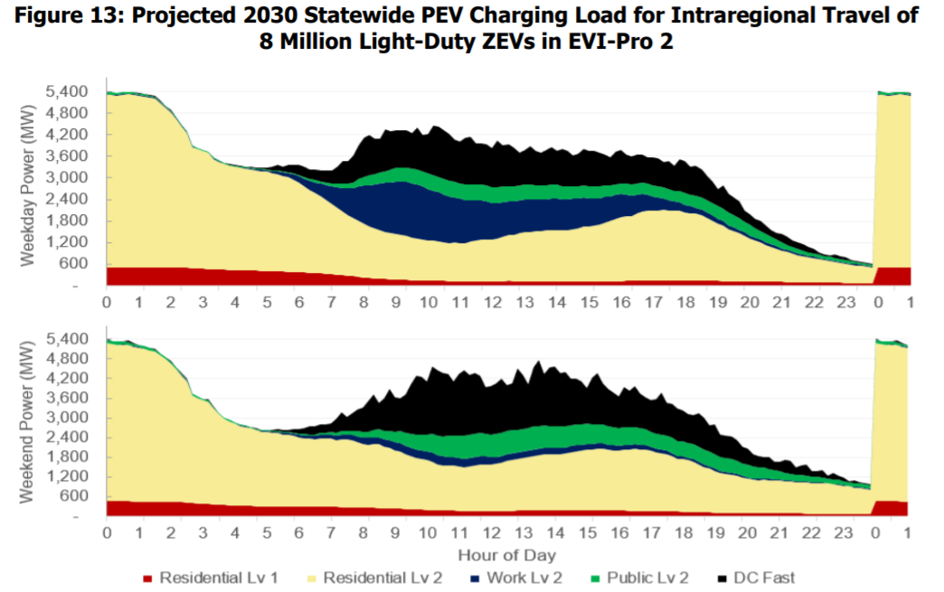
Residential Lv 2 | DC Fast | Public Lv 2 | Work Lv 2 | Total
4,800 | 15 | 63 | 25 | 5,415
4,791 | 6 | 60 | 24 | 5,392
4,791 | - | 57 | 22 | 5,379
4,812 | - | 54 | 22 | 5,394
4,829 | 0 | 51 | 20 | 5,405
4,812 | 0 | 49 | 19 | 5,383
4,785 | 1 | 47 | 19 | 5,354
4,766 | - | 44 | 17 | 5,329
4,736 | 8 | 42 | 17 | 5,302
4,719 | 7 | 41 | 16 | 5,282
4,584 | 12 | 39 | 15 | 5,150
4,454 | 9 | 36 | 15 | 5,013
4,329 | 28 | 35 | 15 | 4,907
4,146 | 4 | 33 | 14 | 4,699
3,932 | - | 31 | 14 | 4,478
3,755 | 12 | 30 | 14 | 4,306
3,378 | 4 | 28 | 13 | 3,910
3,324 | - | 28 | 12 | 3,841
3,277 | - | 27 | 12 | 3,785
3,229 | 3 | 27 | 12 | 3,732
3,073 | 8 | 26 | 12 | 3,573
3,007 | 8 | 25 | 12 | 3,498
2,937 | 0 | 24 | 13 | 3,414
2,895 | 10 | 24 | 16 | 3,377
2,870 | 13 | 23 | 17 | 3,351
2,853 | 11 | 23 | 20 | 3,332
2,841 | 7 | 23 | 24 | 3,316
2,823 | 22 | 23 | 28 | 3,312
2,792 | 26 | 23 | 33 | 3,287
2,781 | 22 | 23 | 40 | 3,275
2,767 | 30 | 25 | 48 | 3,273
2,735 | 101 | 26 | 59 | 3,320
2,714 | 156 | 29 | 74 | 3,368
...

Figure 14
...
 | Public DCFC |  |  | Public L1 |  |  | Public L2 |  |  | Work L1 |  |  | Work L2 |  |  | Total (without single-unit dwellings)
394,706 | 30,855 | 31,240 | 31,626 | - | - | - | 491,318 | 495,119 | 498,920 | - | - | - | 780,355 | 786,267 | 792,178 | 1,568,496 | 1,642,963 | 1,717,430
394,706 | 40,739 | 41,241 | 41,743 | - | - | - | 464,491 | 468,081 | 471,671 | - | - | - | 228,571 | 230,453 | 232,336 | 998,783 | 1,069,619 | 1,140,455
394,706 | 51,804 | 52,435 | 53,066 | - | - | - | 590,835 | 595,359 | 599,883 | - | - | - | 394,683 | 397,783 | 400,882 | 1,303,566 | 1,376,052 | 1,448,538
394,706 | 36,574 | 37,027 | 37,480 | - | - | - | 582,002 | 586,459 | 590,916 | - | - | - | 387,166 | 390,211 | 393,256 | 1,259,921 | 1,338,139 | 1,416,358
394,706 | 23,029 | 23,323 | 23,617 | - | - | - | 344,532 | 347,252 | 349,972 | - | - | - | 249,071 | 251,108 | 253,144 | 896,424 | 958,931 | 1,021,439
1,263,059 | 11,134 | 11,289 | 11,443 | - | - | - | 284,848 | 287,132 | 289,417 | - | - | - | 136,651 | 137,857 | 139,064 | 1,281,025 | 1,492,004 | 1,702,983
315,765 | 41,387 | 41,896 | 42,405 | - | - | - | 577,428 | 581,850 | 586,273 | - | - | - | 436,674 | 440,080 | 443,487 | 1,267,438 | 1,327,683 | 1,387,929
394,706 | 29,984 | 30,359 | 30,735 | - | - | - | 465,703 | 469,308 | 472,913 | - | - | - | 323,675 | 326,256 | 328,837 | 1,084,271 | 1,155,731 | 1,227,192
394,706 | 30,193 | 30,572 | 30,950 | - | - | - | 466,404 | 470,015 | 473,626 | - | - | - | 324,425 | 327,012 | 329,598 | 1,085,972 | 1,157,426 | 1,228,880

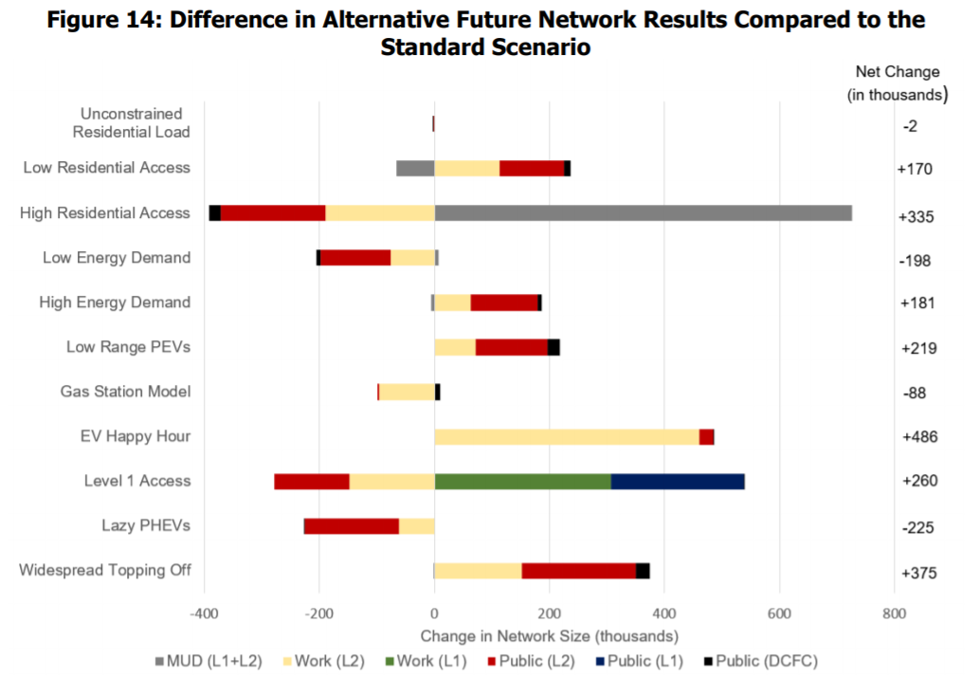
...
Work (L1) | Public (L2) | Public (L1) | Public (DCFC) | Net Change
- | 198 | - | 25 | 375
- | (163) | - | (0) | (225)
308 | (130) | 230 | 0 | 260
- | 25 | - | 1 | 486
- | (2) | - | 11 | (88)
- | 125 | - | 22 | 219
- | 116 | - | 6 | 181
- | (123) | - | (7) | (198)
- | (183) | - | (19) | 335
- | 112 | - | 11 | 170
- | (1) | - | (0) | (2)
- | - | - | - | -

Figure 16
...
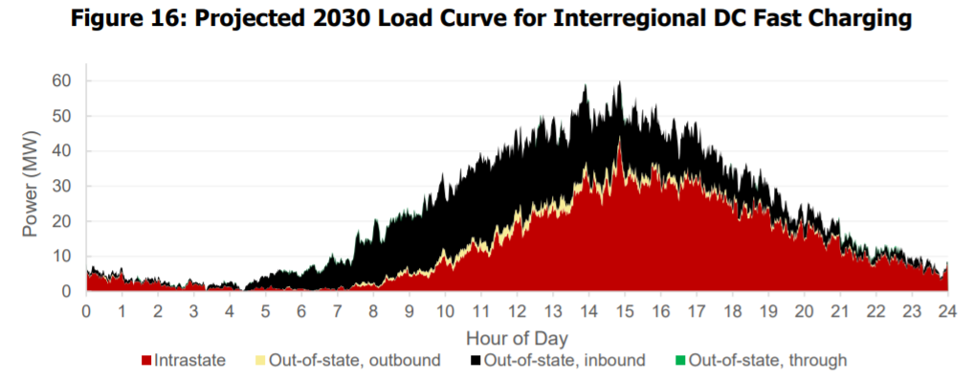
Intrastate | Out-of-state, outbound | Out-of-state, inbound | Out-of-state, through | Total
6.8 | 0.1 | 1.0 | 0.0 | 7.8
5.4 | 0.1 | 0.7 | 0.0 | 6.2
5.4 | 0.1 | 0.7 | 0.0 | 6.1
4.8 | 0.1 | 0.9 | 0.0 | 5.8
4.5 | 0.2 | 0.8 | 0.0 | 5.5
4.6 | 0.2 | 1.0 | 0.0 | 5.9
3.8 | 0.2 | 0.6 | 0.0 | 4.6
4.5 | 0.2 | 0.6 | 0.0 | 5.3
4.4 | 0.2 | 0.6 | 0.0 | 5.2
4.5 | 0.2 | 1.4 | 0.0 | 6.0
5.2 | 0.2 | 1.6 | 0.0 | 7.1
5.3 | 0.0 | 2.1 | 0.0 | 7.4
5.1 | 0.0 | 2.0 | 0.0 | 7.1
5.3 | 0.1 | 2.0 | 0.0 | 7.3
5.0 | 0.1 | 1.2 | 0.0 | 6.2
5.3 | 0.1 | 0.9 | 0.0 | 6.2
5.3 | 0.1 | 0.9 | 0.0 | 6.2
4.9 | 0.1 | 1.1 | 0.0 | 6.0
4.5 | 0.2 | 1.2 | 0.0 | 6.0
5.3 | 0.1 | 1.0 | 0.0 | 6.3
4.5 | 0.1 | 1.3 | 0.0 | 5.8
4.5 | 0.1 | 1.2 | 0.0 | 5.7
3.6 | 0.1 | 1.5 | 0.0 | 5.1
...

Figures 17 and 18
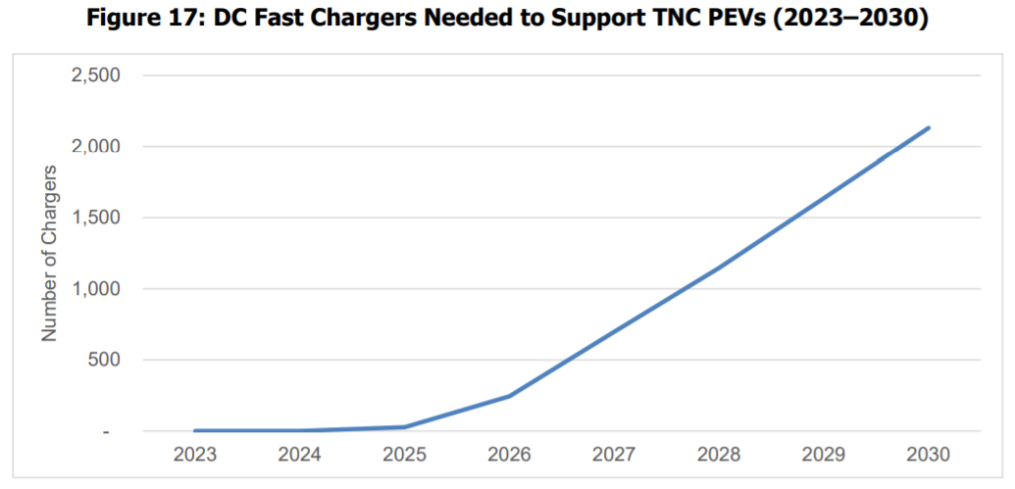
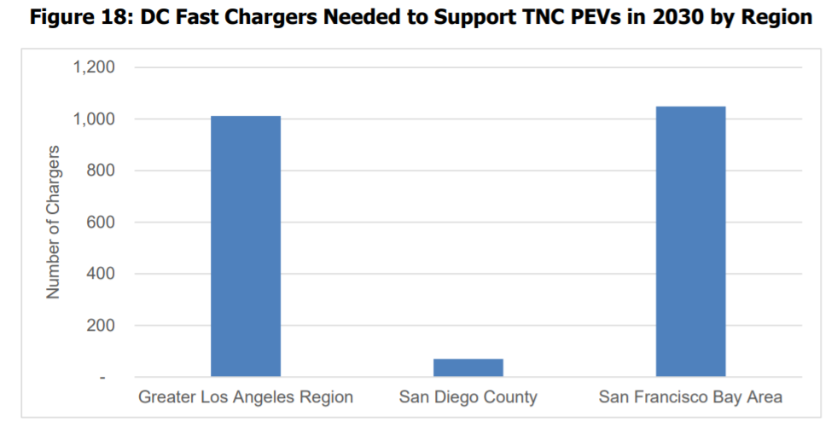
Number of Dedicated TNC DC fast chargers projected by the WIRED model

Region | 2023 | 2024 | 2025 | 2026 | 2027 | 2028 | 2029 | 2030
Greater Los Angeles Region | - | - | - | 72 | 283 | 512 | 760 | 1,012
San Francisco Bay Area | - | - | - | - | 13 | 29 | 46 | 70
San Diego County | - | - | 27 | 172 | 402 | 606 | 831 | 1,049
Total | - | - | 27 | 244 | 698 | 1,147 | 1,637 | 2,131

Figure 19
Hourly load from the WIRED model which was converted to 10-minute resolution through linear interpolation

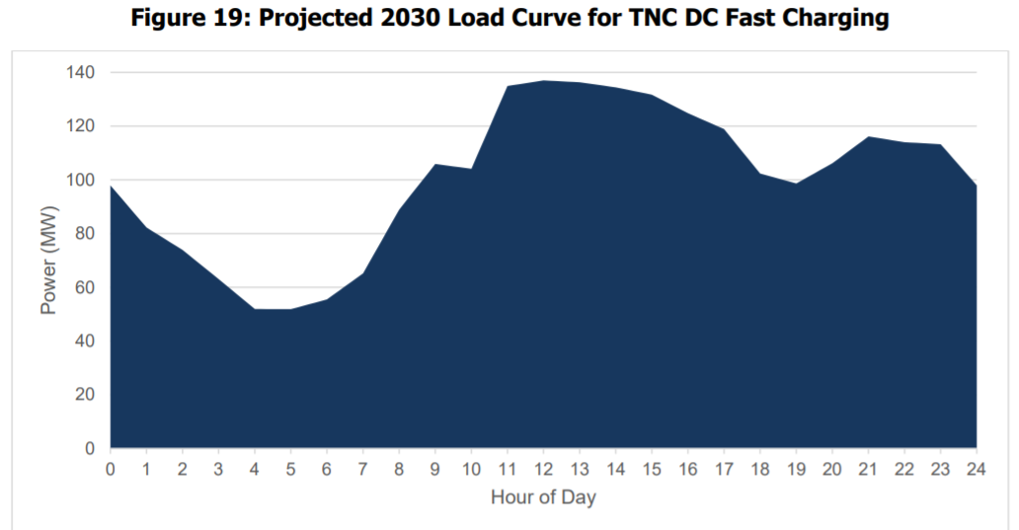
Hour | Raw Hourly Load (kW) | Final Interpolated Load (MW)
- | 97,962 | 98
0 |  | 95
0 |  | 93
1 |  | 90
1 |  | 88
1 |  | 85
1 | 82,277 | 82
1 |  | 81
1 |  | 79
2 |  | 78
2 |  | 77
2 |  | 75
2 | 73,920 | 74
2 |  | 72
2 |  | 70
3 |  | 68
3 |  | 67
3 |  | 65
3 | 63,054 | 63
3 |  | 61
3 |  | 59
4 |  | 57
4 |  | 56
4 |  | 54
4 | 51,930 | 52
4 |  | 52
4 |  | 52
5 |  | 52
...

Figure 20
...
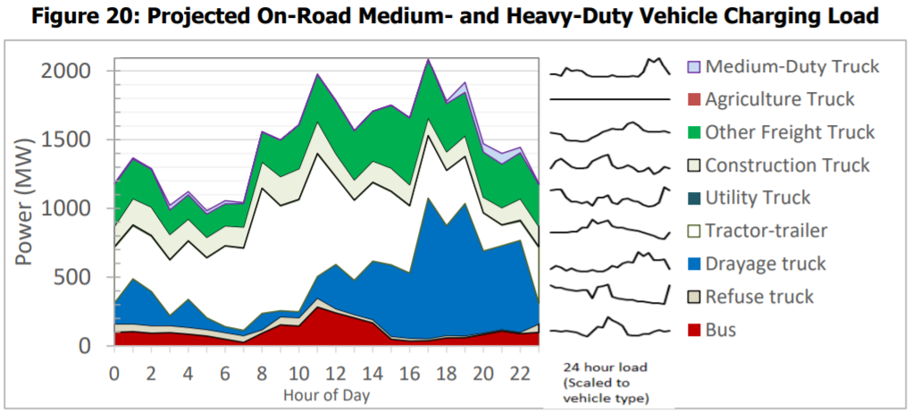
Tractor-trailer | Drayage truck | Refuse truck | Bus | Total
403 | 152 | 63 | 98 | 1,183
386 | 327 | 57 | 104 | 1,368
401 | 247 | 56 | 92 | 1,289
403 | 72 | 52 | 96 | 1,022
423 | 204 | 50 | 85 | 1,122
435 | 85 | 48 | 72 | 983
585 | 43 | 49 | 48 | 1,056
596 | 38 | 50 | 25 | 1,042
909 | 119 | 26 | 92 | 1,557
761 | 44 | 60 | 153 | 1,498
814 | 42 | 62 | 145 | 1,609
891 | 156 | 66 | 283 | 1,976
635 | 322 | 31 | 240 | 1,785
581 | 248 | 26 | 203 | 1,565
570 | 425 | 25 | 167 | 1,707
532 | 519 | 22 | 48 | 1,751
487 | 474 | 21 | 35 | 1,660
452 | 1,022 | 16 | 37 | 2,090
401 | 798 | 18 | 59 | 1,780
341 | 962 | 15 | 60 | 1,917
277 | 595 | 12 | 83 | 1,470
149 | 609 | 11 | 109 | 1,399
139 | 668 | 10 | 89 | 1,444
403 | 152 | 63 | 98 | 1,183

Figure D-1
...
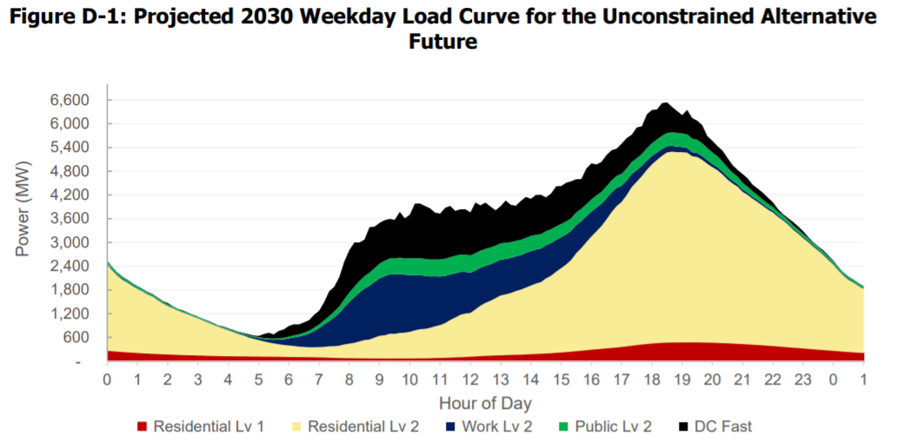
Residential Lv 2 | DC Fast | Public Lv 2 | Work Lv 2 | Total
2,180 | 15 | 63 | 25 | 2,543
2,042 | 6 | 60 | 24 | 2,380
1,922 | - | 57 | 22 | 2,241
1,827 | - | 54 | 22 | 2,133
1,763 | 0 | 51 | 20 | 2,057
1,685 | 0 | 49 | 19 | 1,967
1,622 | 1 | 47 | 18 | 1,895
1,566 | - | 44 | 17 | 1,826
1,498 | 8 | 42 | 16 | 1,756
1,448 | 7 | 41 | 15 | 1,697
1,362 | 12 | 39 | 14 | 1,607
1,288 | 9 | 36 | 14 | 1,522
1,223 | 28 | 35 | 14 | 1,469
1,176 | 4 | 33 | 14 | 1,391
1,121 | - | 31 | 13 | 1,324
1,076 | 12 | 30 | 13 | 1,285
1,034 | 4 | 28 | 13 | 1,230
986 | - | 27 | 12 | 1,172
943 | - | 27 | 11 | 1,125
892 | 3 | 27 | 11 | 1,071
841 | 8 | 26 | 12 | 1,022
790 | 8 | 25 | 12 | 967
741 | 0 | 24 | 13 | 909
702 | 10 | 24 | 15 | 879
656 | 13 | 23 | 16 | 834
613 | 11 | 23 | 19 | 790
569 | 7 | 23 | 23 | 745
...

Figure D-2
...
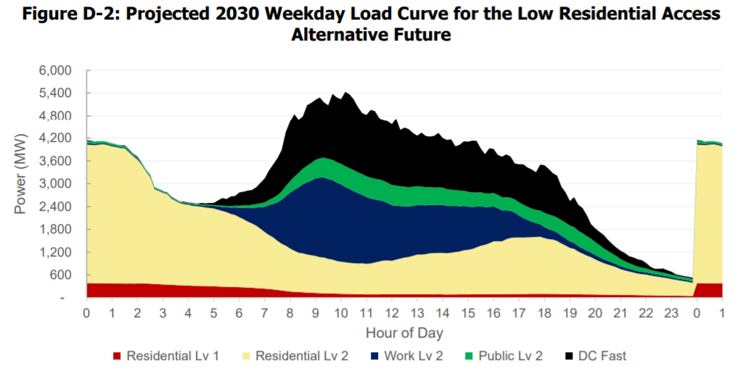
Residential Lv 2 | DC Fast | Public Lv 2 | Work Lv 2 | Total
3,644 | 20 | 64 | 36 | 4,150
3,636 | 18 | 61 | 34 | 4,133
3,632 | - | 58 | 32 | 4,104
3,652 | - | 55 | 31 | 4,118
3,661 | 0 | 52 | 30 | 4,121
3,639 | 0 | 50 | 28 | 4,095
3,607 | 1 | 48 | 27 | 4,059
3,587 | - | 45 | 25 | 4,032
3,563 | 8 | 43 | 24 | 4,011
3,555 | 19 | 41 | 22 | 4,011
3,449 | 17 | 40 | 22 | 3,902
3,349 | 9 | 37 | 21 | 3,790
3,251 | 28 | 35 | 22 | 3,711
3,117 | 4 | 34 | 21 | 3,551
2,943 | - | 32 | 20 | 3,370
2,799 | 12 | 30 | 20 | 3,232
2,497 | 4 | 29 | 20 | 2,914
2,454 | - | 28 | 19 | 2,859
2,409 | - | 28 | 17 | 2,805
2,381 | 3 | 27 | 17 | 2,773
2,267 | 8 | 27 | 17 | 2,659
2,211 | 8 | 26 | 18 | 2,597
2,161 | 0 | 25 | 19 | 2,535
2,136 | 20 | 25 | 22 | 2,527
2,127 | 13 | 24 | 24 | 2,508
2,102 | 21 | 24 | 28 | 2,492
2,096 | 7 | 24 | 32 | 2,474
...

Figure D-3
...
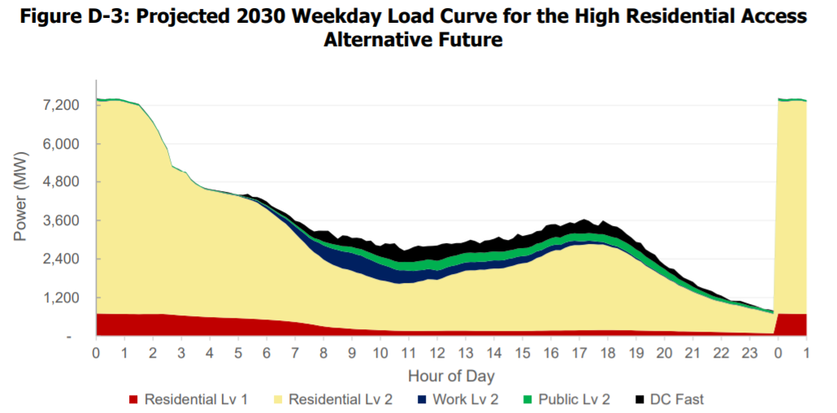
Residential Lv 2 | DC Fast | Public Lv 2 | Work Lv 2 | Total
6,634 | 15 | 61 | 11 | 7,426
6,619 | 6 | 58 | 11 | 7,398
6,626 | - | 56 | 10 | 7,392
6,646 | - | 53 | 10 | 7,406
6,653 | 0 | 50 | 9 | 7,406
6,649 | 0 | 48 | 9 | 7,398
6,618 | 1 | 46 | 9 | 7,364
6,577 | - | 44 | 8 | 7,316
6,541 | 8 | 41 | 8 | 7,284
6,504 | 8 | 40 | 7 | 7,244
6,328 | 13 | 38 | 7 | 7,072
6,160 | 5 | 36 | 7 | 6,894
5,961 | 11 | 34 | 7 | 6,701
5,707 | 0 | 33 | 7 | 6,435
5,396 | - | 31 | 7 | 6,123
5,132 | 12 | 29 | 7 | 5,861
4,618 | 4 | 28 | 7 | 5,326
4,552 | - | 27 | 7 | 5,243
4,487 | - | 27 | 6 | 5,166
4,427 | 3 | 26 | 6 | 5,099
4,221 | 8 | 26 | 7 | 4,889
4,109 | 8 | 25 | 6 | 4,765
4,033 | 0 | 24 | 6 | 4,671
3,965 | 10 | 23 | 7 | 4,605
3,942 | 8 | 22 | 8 | 4,573
3,919 | 13 | 22 | 8 | 4,548
3,895 | 13 | 22 | 9 | 4,520
...

Figure D-4
...
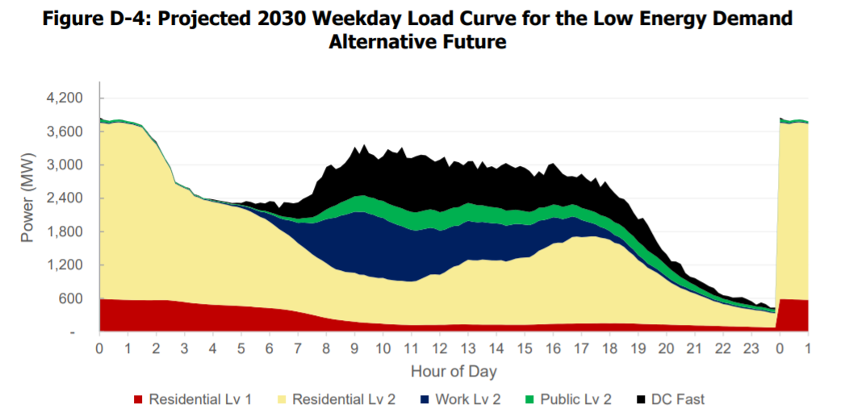
Residential Lv 2 | DC Fast | Public Lv 2 | Work Lv 2 | Total
3,168 | 33 | 44 | 18 | 3,854
3,161 | 1 | 41 | 18 | 3,810
3,151 | - | 38 | 17 | 3,792
3,177 | - | 36 | 16 | 3,811
3,187 | - | 34 | 16 | 3,816
3,183 | - | 32 | 16 | 3,807
3,166 | 2 | 30 | 15 | 3,787
3,157 | - | 28 | 14 | 3,771
3,133 | 1 | 27 | 13 | 3,743
3,106 | 0 | 25 | 12 | 3,712
2,997 | 9 | 25 | 12 | 3,610
2,888 | 9 | 23 | 12 | 3,500
2,796 | 21 | 22 | 12 | 3,420
2,650 | 5 | 21 | 12 | 3,258
2,497 | - | 20 | 11 | 3,099
2,362 | - | 19 | 11 | 2,956
2,112 | - | 18 | 11 | 2,696
2,077 | - | 18 | 11 | 2,649
2,047 | - | 17 | 10 | 2,609
2,022 | 10 | 17 | 11 | 2,583
1,926 | 7 | 17 | 11 | 2,476
1,908 | 7 | 16 | 11 | 2,449
1,874 | 1 | 16 | 13 | 2,403
1,866 | 5 | 15 | 14 | 2,394
1,846 | 18 | 15 | 14 | 2,381
1,837 | 13 | 15 | 16 | 2,364
1,822 | 13 | 15 | 20 | 2,348
1,809 | 13 | 15 | 23 | 2,334
...

Figure D-5
...
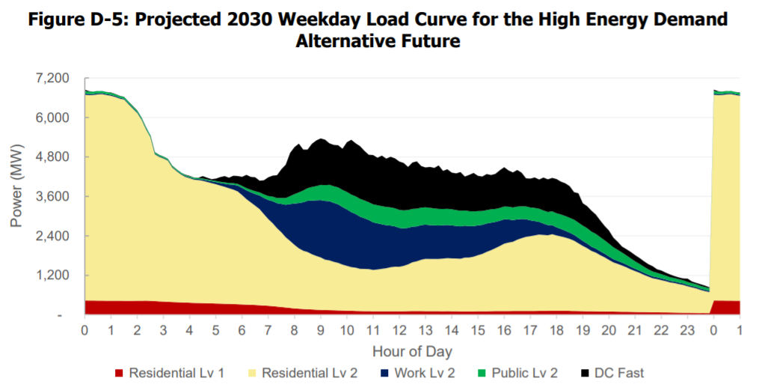
Residential Lv 2 | DC Fast | Public Lv 2 | Work Lv 2 | Total
6,255 | 42 | 79 | 35 | 6,846
6,244 | 12 | 76 | 33 | 6,799
6,249 | - | 72 | 31 | 6,785
6,271 | 1 | 69 | 30 | 6,802
6,278 | 1 | 65 | 29 | 6,802
6,251 | 1 | 63 | 28 | 6,772
6,232 | 13 | 61 | 27 | 6,760
6,194 | 8 | 58 | 26 | 6,713
6,143 | 9 | 56 | 24 | 6,659
6,118 | 5 | 54 | 24 | 6,626
5,977 | 10 | 52 | 22 | 6,487
5,840 | 12 | 50 | 22 | 6,350
5,705 | 10 | 48 | 22 | 6,213
5,495 | 6 | 46 | 21 | 5,996
5,210 | 12 | 44 | 21 | 5,715
4,975 | 1 | 42 | 20 | 5,463
4,465 | - | 41 | 20 | 4,943
4,393 | - | 40 | 19 | 4,861
4,349 | - | 39 | 19 | 4,809
4,291 | - | 38 | 19 | 4,743
4,087 | - | 38 | 19 | 4,533
3,981 | - | 36 | 19 | 4,419
3,893 | - | 35 | 20 | 4,325
3,821 | 12 | 34 | 23 | 4,262
3,784 | 15 | 33 | 23 | 4,222
3,745 | 7 | 33 | 26 | 4,173
3,737 | 8 | 34 | 30 | 4,169
3,718 | 74 | 33 | 36 | 4,217
...

Figure D-6
...
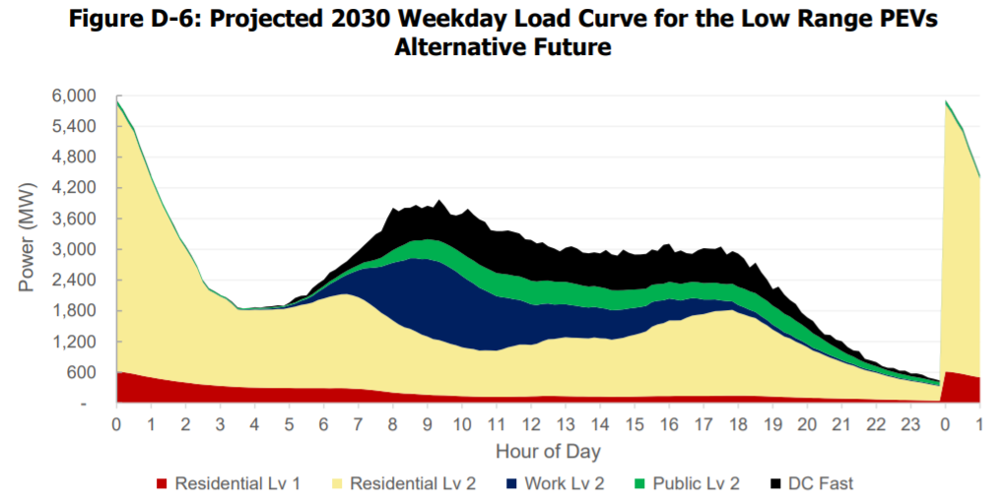
Residential Lv 2 | DC Fast | Public Lv 2 | Work Lv 2 | Total
5,217 | 7 | 63 | 15 | 5,917
5,064 | 0 | 61 | 14 | 5,746
4,878 | - | 57 | 13 | 5,536
4,721 | 0 | 54 | 13 | 5,358
4,419 | 0 | 52 | 12 | 5,028
4,153 | 0 | 50 | 11 | 4,736
3,875 | 1 | 47 | 10 | 4,435
3,625 | 7 | 45 | 9 | 4,168
3,382 | 2 | 42 | 8 | 3,899
3,182 | - | 40 | 8 | 3,677
2,972 | 13 | 38 | 7 | 3,460
2,774 | - | 36 | 8 | 3,233
2,615 | 9 | 34 | 7 | 3,068
2,445 | 10 | 32 | 7 | 2,881
2,263 | 2 | 30 | 7 | 2,672
1,993 | - | 28 | 7 | 2,390
1,851 | 0 | 26 | 7 | 2,237
1,802 | 2 | 26 | 6 | 2,179
1,744 | - | 25 | 6 | 2,109
1,703 | 5 | 24 | 6 | 2,066
1,618 | 13 | 24 | 7 | 1,982
1,512 | 12 | 23 | 7 | 1,869
1,506 | - | 22 | 8 | 1,847
1,514 | 3 | 22 | 11 | 1,855
1,522 | 14 | 22 | 12 | 1,871
1,522 | 8 | 21 | 14 | 1,864
1,526 | 21 | 21 | 18 | 1,884
...

Figure D-7
...
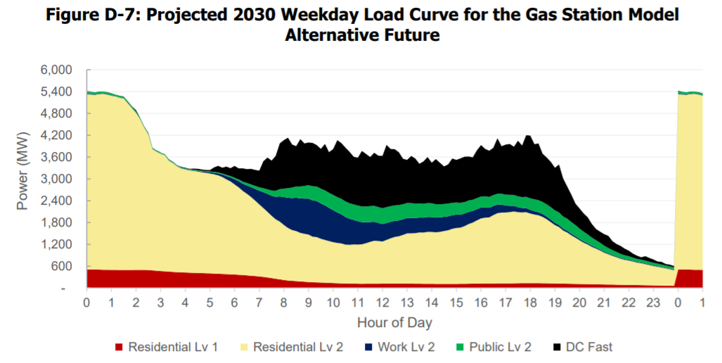
Residential Lv 2 | DC Fast | Public Lv 2 | Work Lv 2 | Total
4,813 | 19 | 61 | 15 | 5,419
4,805 | 5 | 58 | 14 | 5,393
4,803 | - | 55 | 13 | 5,379
4,825 | 6 | 52 | 13 | 5,402
4,836 | 1 | 50 | 12 | 5,401
4,812 | 10 | 48 | 10 | 5,381
4,786 | 9 | 45 | 10 | 5,351
4,766 | - | 43 | 8 | 5,317
4,730 | 7 | 41 | 8 | 5,285
4,713 | 7 | 39 | 7 | 5,263
4,574 | 12 | 37 | 7 | 5,128
4,444 | 11 | 35 | 7 | 4,994
4,313 | 34 | 33 | 7 | 4,886
4,136 | 5 | 32 | 7 | 4,679
3,908 | 1 | 30 | 7 | 4,445
3,725 | 12 | 28 | 6 | 4,266
3,334 | 4 | 27 | 6 | 3,856
3,273 | - | 26 | 5 | 3,781
3,224 | - | 26 | 5 | 3,722
3,188 | 2 | 25 | 5 | 3,681
3,048 | 7 | 24 | 5 | 3,537
2,987 | 7 | 23 | 5 | 3,467
2,911 | 0 | 23 | 6 | 3,377
2,857 | 13 | 22 | 8 | 3,331
2,832 | 16 | 21 | 8 | 3,304
2,813 | 11 | 22 | 10 | 3,279
2,800 | 29 | 21 | 13 | 3,282
2,787 | 39 | 21 | 16 | 3,278
...

Figure D-8
...
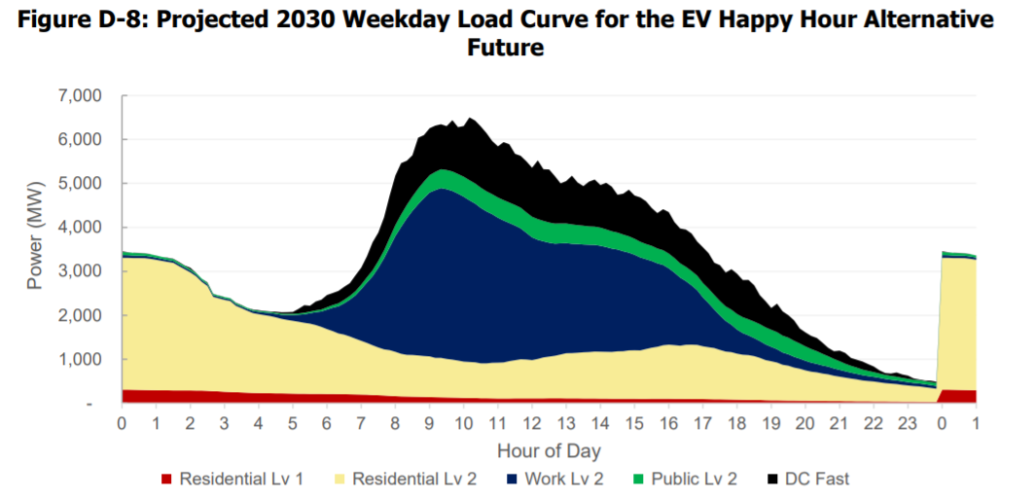
Residential Lv 2 | DC Fast | Public Lv 2 | Work Lv 2 | Total
2,998 | 15 | 68 | 62 | 3,453
2,998 | 6 | 64 | 59 | 3,437
2,997 | - | 62 | 56 | 3,420
2,999 | - | 58 | 54 | 3,415
2,998 | 0 | 55 | 52 | 3,407
2,986 | 0 | 52 | 50 | 3,387
2,964 | 1 | 50 | 48 | 3,360
2,943 | - | 47 | 45 | 3,330
2,922 | 8 | 45 | 43 | 3,311
2,903 | 7 | 43 | 41 | 3,286
2,829 | 13 | 42 | 40 | 3,214
2,758 | 9 | 40 | 39 | 3,135
2,686 | 28 | 37 | 38 | 3,081
2,598 | 4 | 36 | 37 | 2,964
2,475 | - | 34 | 36 | 2,834
2,385 | 12 | 33 | 36 | 2,749
2,144 | 4 | 31 | 35 | 2,491
2,116 | - | 31 | 34 | 2,449
2,088 | - | 30 | 33 | 2,414
2,068 | 3 | 30 | 34 | 2,390
1,966 | 8 | 29 | 34 | 2,288
1,917 | 8 | 28 | 35 | 2,233
1,864 | 0 | 27 | 39 | 2,171
1,816 | 10 | 27 | 45 | 2,133
1,795 | 13 | 26 | 50 | 2,116
1,774 | 11 | 26 | 58 | 2,099
1,758 | 7 | 26 | 68 | 2,086
1,729 | 25 | 26 | 77 | 2,082
...

Figure D-9
...
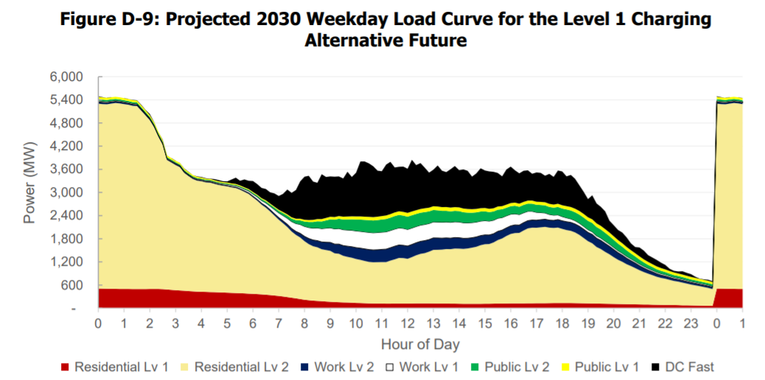
Public Lv 1 | Public Lv 2 | Work Lv 1 | Work Lv 2 | Total
59 | 46 | 30 | 12 | 5,461
58 | 44 | 29 | 11 | 5,437
57 | 43 | 29 | 10 | 5,422
56 | 41 | 29 | 10 | 5,438
55 | 39 | 28 | 9 | 5,450
54 | 38 | 28 | 9 | 5,436
53 | 37 | 28 | 9 | 5,417
52 | 35 | 27 | 8 | 5,395
51 | 34 | 27 | 8 | 5,373
50 | 34 | 27 | 7 | 5,363
49 | 32 | 27 | 7 | 5,247
48 | 31 | 27 | 7 | 5,115
46 | 29 | 27 | 7 | 5,009
45 | 28 | 26 | 7 | 4,803
44 | 27 | 26 | 6 | 4,550
43 | 25 | 26 | 6 | 4,347
42 | 24 | 26 | 6 | 3,942
41 | 24 | 26 | 6 | 3,872
40 | 24 | 26 | 6 | 3,805
39 | 23 | 26 | 6 | 3,750
38 | 22 | 26 | 6 | 3,606
36 | 21 | 26 | 6 | 3,521
35 | 21 | 26 | 6 | 3,438
34 | 20 | 26 | 7 | 3,403
33 | 19 | 26 | 7 | 3,390
32 | 19 | 27 | 8 | 3,359
31 | 19 | 28 | 10 | 3,350
30 | 18 | 28 | 11 | 3,340
...

Figure D-10
...
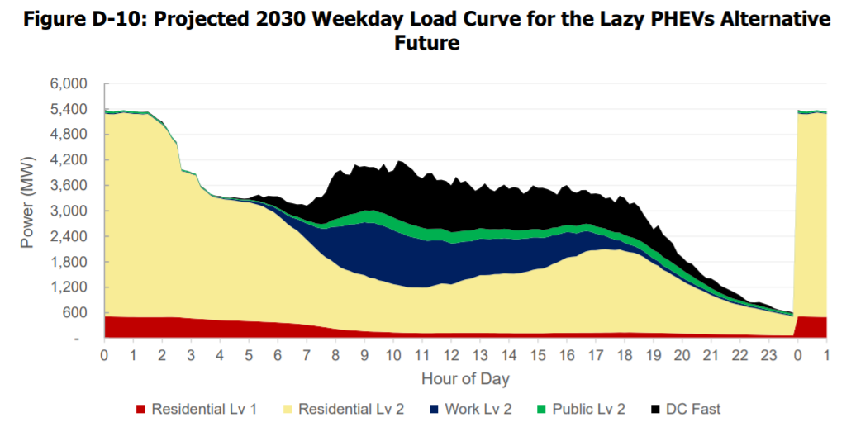
Residential Lv 2 | DC Fast | Public Lv 2 | Work Lv 2 | Total
4,781 | 15 | 44 | 22 | 5,373
4,767 | 6 | 42 | 21 | 5,347
4,768 | - | 41 | 19 | 5,336
4,791 | - | 40 | 19 | 5,356
4,811 | 0 | 38 | 18 | 5,371
4,796 | 0 | 37 | 17 | 5,353
4,783 | 1 | 36 | 17 | 5,338
4,780 | - | 35 | 16 | 5,331
4,770 | 8 | 34 | 15 | 5,327
4,783 | 7 | 34 | 15 | 5,338
4,699 | 12 | 33 | 14 | 5,258
4,614 | 9 | 31 | 14 | 5,168
4,530 | 28 | 30 | 14 | 5,102
4,399 | 4 | 30 | 13 | 4,947
4,206 | - | 29 | 13 | 4,749
4,068 | 12 | 28 | 12 | 4,616
3,447 | 4 | 26 | 12 | 3,977
3,430 | - | 26 | 11 | 3,946
3,398 | - | 26 | 11 | 3,905
3,370 | 3 | 25 | 11 | 3,871
3,092 | 8 | 24 | 11 | 3,590
3,018 | 8 | 23 | 11 | 3,508
2,926 | 0 | 23 | 12 | 3,401
2,880 | 10 | 22 | 15 | 3,359
2,868 | 13 | 22 | 16 | 3,346
2,845 | 11 | 22 | 18 | 3,320
2,839 | 7 | 22 | 22 | 3,310
2,831 | 22 | 21 | 25 | 3,316
...

Figure D-11
...
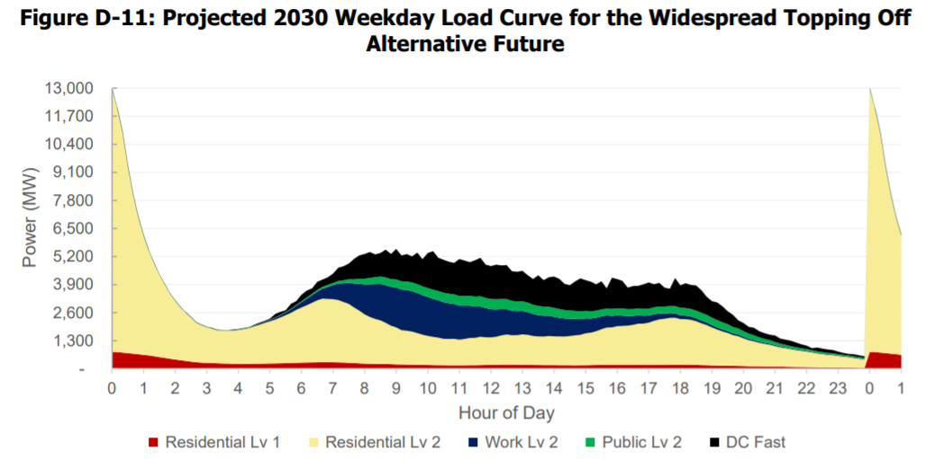
Residential Lv 2 | DC Fast | Public Lv 2 | Work Lv 2 | Total
12,166 | 30 | 50 | 19 | 13,049
11,260 | 1 | 46 | 18 | 12,099
10,172 | - | 44 | 17 | 10,984
8,656 | - | 41 | 16 | 9,439
7,358 | 1 | 38 | 15 | 8,110
6,317 | 1 | 36 | 14 | 7,040
5,513 | 1 | 34 | 13 | 6,207
4,829 | - | 31 | 12 | 5,490
4,279 | 17 | 29 | 11 | 4,914
3,820 | 5 | 27 | 11 | 4,401
3,392 | 15 | 26 | 10 | 3,946
3,014 | 6 | 24 | 10 | 3,520
2,707 | 9 | 22 | 11 | 3,179
2,443 | 10 | 21 | 10 | 2,881
2,230 | - | 20 | 11 | 2,623
2,045 | - | 18 | 11 | 2,406
1,821 | - | 17 | 11 | 2,155
1,732 | 1 | 17 | 10 | 2,046
1,651 | - | 16 | 10 | 1,952
1,591 | 18 | 15 | 10 | 1,899
1,527 | 9 | 14 | 10 | 1,815
1,526 | 2 | 14 | 11 | 1,798
1,530 | - | 13 | 12 | 1,794
1,535 | 25 | 13 | 15 | 1,819
1,571 | 14 | 13 | 16 | 1,843
1,611 | 18 | 12 | 19 | 1,891
1,654 | 6 | 12 | 25 | 1,929
...

