Reasoning
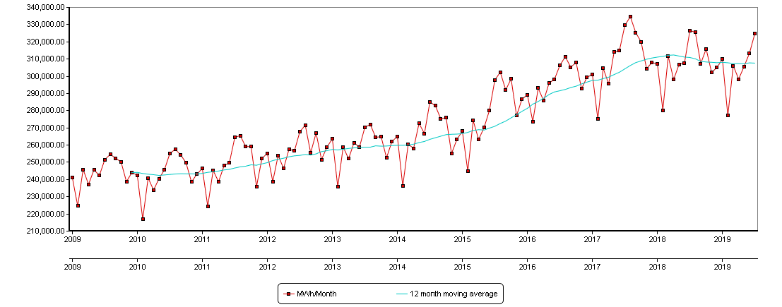
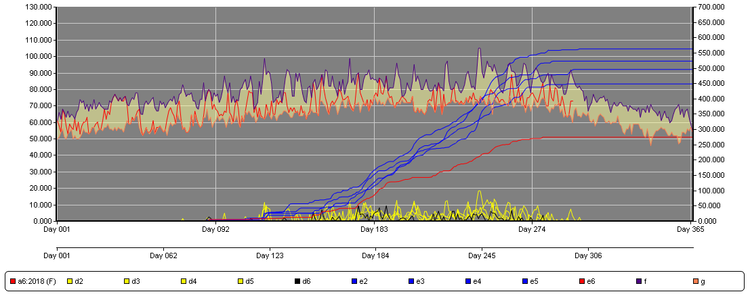
Adjustments to SVP’s load forecast are due to a number of reasons:

SVP started the IRP process in late 2017 through early 2018, and as you can see by the graph of SVP’s monthly energy by covering the last 18 months the 12 month moving average clearly would have given the impression that SVP was in a fairly steady state of growth. Now 18 months later the moving average has changed significantly where our load looks relatively stable, but there are a number of reasons for this:
1. Keeping in mind that SVP is not a large utility where the addition of one or two large industrial customers make little impact on our overall forecast here it can have a big impact. In the case of the flattening to the 12 month moving average we have had the impact of several customers installing fuel cells that operate in a base load mode at approximately 13 MW of net output.
2. SVP is also located in the bay area micro climate and our weather can deviate from the norm observed elsewhere in California. The 2nd graph below is a depiction of cooling degree day developed from the Moffett Field weather station where the red line indicates the CCD cumulative total for the summer of 2018 compared to the blue lines of the previous 4 years, and as you can see the summer of 2018 was abnormally cool reducing heating driven demand.
3. While we continue to see new data center construction it seems to have slowed to some extent such that the original COD of several facilities have extended their loading schedule.

For these reasons SVP revised its 10 year 1 in 2 load forecast. SVP continually revises load forecasts to reflect the best available.

