Group Ranking
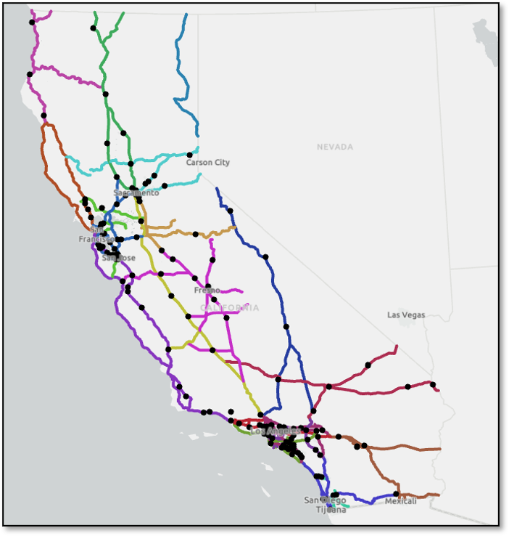
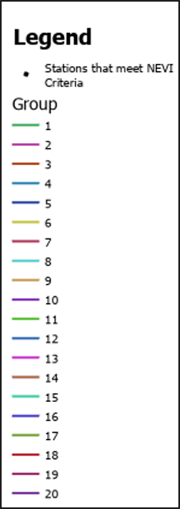
Rank | Corridor Group | Corridor Group Average
1 | 7 | 57.67
2 | 16 | 53.33
3 | 20 | 50.00
4 | 6 | 49.00
5 | 19 | 49.00
6 | 14 | 48.75
7 | 1 | 47.33
8 | 12 | 45.83
9 | 8 | 40.00
10 | 2 | 37.67
11 | 4 | 37.00
12 | 9 | 30.67
13 | 5 | 31.00
14 | 3 | 30.50
15 | 13 | 29.50
16 | 18 | 27.00
17 | 15 | 24.40
18 | 10 | 22.50
19 | 17 | 22.00
20 | 11 | 17.25
If you make changes to the formula, you may need to
re-sort the Corridor Group Average column |  |  | * Stations that meet minimum criteria may change at the time of solicitation release.
 |  |  | US Department of Transportation Federal Highway Administration Alternative Fuel Corridors Map
 |  |  | US Department of Energy Alternative Fuels Data Center Station Data for Alternative Fuel Corridors

