Home


SB 350 ENERGY SAVINGS POTENTIAL
NON-UTILITY PROGRAM TECHNICAL ASSESSMENT
PROGRAM DATA WORKBOOK

Behavorial, Retrocommissioning, Operational Savings
Reference Document: | Appendix A14 - BROS
Contract: | California Energy Commission 400-15-012
Prepared by: | NORESCO, TRC Energy Services, Center for Sustainable Energy
Revised: | 2017-08-31

DISCLAIMER
This workbook was prepared as the result of work sponsored by the California Energy Commission. It does not necessarily represent the views of the Energy Commission, its employees, or the State of California. The Energy Commission, the State of California, its employees, contractors, and subcontractors make no warrant, express or implied, and assume no legal liability for the information in this report; nor does any party represent that the uses of this information will not infringe upon privately owned rights. This workbook has not been approved or disapproved by the California Energy Commission nor has the California Energy Commission passed upon the accuracy or adequacy of the information in this report.

Workbook Tab Definition
Program Analysis | This tab presents an overview of the program, high-level assumptions, and general calculation methods.
SB 350 Potential | This tab summarizes the non-utility energy savings potential for each scenario by building sector.
Reference | This tab shows the "reference" case of the analysis which assumes business-as-usual trends.
Conservative | This tab shows the "conservative" case of the analysis built upon the "reference" case.
Reference | This tab shows the "aggressive" case of the analysis built upon the "reference" case.
Graph (electricity) | This graph shows the SB 350 electricity savings potential by scenario, for both residential and nonresidential sectors.
Graph (gas) | This graph shows the SB 350 natural gas savings potential by scenario, for both residential and nonresidential sectors.
Others | These tabs contain raw data and relevant analysis conducted for this analysis.

Acronym Definition
GWh | Gigawatt hours
MM Therms | Million therms
SB 350 | Senate Bill 350
BROS | Behavorial, Retrocommissioning, Operational Savings
AAEE | Additional Achievable Energy Efficiency is defined by the Energy Commission as energy savings not yet considered committed but deemed likely to occur, including future updates of building codes, appliance regulations, and utility efficiency programs
Residential | Single family and multi-family buildings
Non-residential | Commercial, excluding industrial and agriculture.

Graph (electricity)
 | Conservative | Reference | Aggressive
2015 | 31.6 | 31.6 | 31.6
2016 | 38.9 | 38.9 | 38.9
2017 | 46.7 | 46.7 | 46.7
2018 | 55.1 | 55.1 | 61.1
2019 | 66.6 | 66.6 | 90.5
2020 | 83.8 | 83.8 | 130.4
2021 | 119.7 | 128.8 | 190.7
2022 | 133.8 | 152.5 | 228.2
2023 | 147.9 | 177.7 | 269.3
2024 | 161.9 | 205.3 | 317.9
2025 | 171.4 | 234.0 | 374.1
2026 | 176.7 | 257.6 | 428.2
2027 | 181.4 | 282.2 | 489.2
2028 | 185.8 | 308.0 | 558.8
2029 | 190.1 | 335.7 | 639.8

Graph (gas)
 | Conservative | Reference | Aggressive
2015 | 0.3 | 0.3 | 0.3
2016 | 0.3 | 0.3 | 0.3
2017 | 0.3 | 0.3 | 0.3
2018 | 0.3 | 0.3 | 0.3
2019 | 0.1 | 0.1 | 1.2
2020 | 0.1 | 0.1 | 2.4
2021 | 0.1 | 0.1 | 2.5
2022 | 0.1 | 0.1 | 2.6
2023 | 0.1 | 0.1 | 2.6
2024 | 0.1 | 0.1 | 2.7
2025 | 0.1 | 0.1 | 2.7
2026 | 0.1 | 0.1 | 2.8
2027 | 0.1 | 0.1 | 2.8
2028 | 0.1 | 0.1 | 2.9
2029 | 0.1 | 0.1 | 3.0

POU BRO savings
POU BRO savings |  |  |  |  |  |  |  |  |  |  |  | Navigant App B assumes Res Beh programs expanded FY20-21
POU customers / CA customers |  |  |  | 0.25 | CPUC presentation: http://energy.nv.gov/uploadedFiles/energynvgov/content/Programs/TaskForces/2017/Agenda%20item%204%20-%20California%20Presentation.pdf |  |  |  |  | LADWP launches half of HER in 2019 | LADWP launches rest of HER in 2020 | other POUs expanding HER. Starting in 2021, assume IOU savings (from 2018 PG) x % of res customers that are POU

POU customers / IOU customers |  |  |  | 0.33 |  | 2015 | 2016 | 2017 | 2018 | 2019 | 2020 | 2021 | 2022 | 2023 | 2024 | 2025 | 2026 | 2027 | 2028 | 2029 | EUL
Res Behavior programs
POU res customers / CA res customers |  |  |  |  | My estimate based on past projects, but need better source
 |  | Gross Annual Energy Savings (kWh) | Gross Annual Energy Savings (GWh)
HER (Res Behavior for 2015) |  | 23666631 | 24 | from 2017 POU EE Report SB1037. most (13.5 GWh) from SMUD |  | 24 | 26 | 29 | 32 | 39 | 49 | 76 | 81 | 85 | 90 | 94 | 99 | 104 | 108 | 113 | 1
Large Challenges and Competitions |  |  |  |  |  | 0.0 | 0.0 | 0.0 | 0.0 | 0.4 | 0.4 | 0.4 | 0.6 | 0.7 | 0.7 | 0.9 | 0.9 | 0.9 | 1.2 | 1.2 | 1
Small Challenges and Competitions |  |  |  |  |  | 0.0 | 0.0 | 0.0 | 0.0 | 0.3 | 0.3 | 0.4 | 0.4 | 0.4 | 0.4 | 0.4 | 0.4 | 0.4 | 0.4 | 0.4 | 1
First-year Total Residential BROs, GWH (same as Cumulative) |  |  |  |  |  | 23.7 | 26.0 | 28.6 | 31.5 | 40.1 | 50.0 | 77.0 | 82.0 | 86.3 | 90.7 | 95.5 | 100.2 | 105.1 | 109.7 | 114.2

POU customers / CA customers |  |  |  | 0.25 | CPUC presentation: http://energy.nv.gov/uploadedFiles/energynvgov/content/Programs/TaskForces/2017/Agenda%20item%204%20-%20California%20Presentation.pdf
POU customers / IOU customers |  |  |  | 0.33
assume similar savings as IOUs, as fraction of commercial customers in POU territory

Commercial |  |  |  |  |  |  |  |  |  |  | Navigant App B assumes Res Beh programs expanded FY20-21. Assume ramp up starting 2020
BIEMS |  |  |  |  |  | 0.0 | 0.0 | 0.0 | 0.0 | 0.0 | 3.4 | 7.7 | 8.7 | 9.8 | 11.1 | 12.5 | 14.1 | 16.0 | 18.0 | 20.4 | 5
BOC |  |  |  |  |  | 0.0 | 0.0 | 0.0 | 0.0 | 0.0 | 0.8 | 1.9 | 2.2 | 2.5 | 2.8 | 3.2 | 3.6 | 4.1 | 4.7 | 5.3 | 6.5
BER |  |  |  |  |  | 0.0 | 0.0 | 0.0 | 0.0 | 0.0 | 0.1 | 0.4 | 0.6 | 0.7 | 0.9 | 1.0 | 1.2 | 1.3 | 1.5 | 1.6 | 2
COM Competition |  |  |  |  |  | 0.0 | 0.0 | 0.0 | 0.0 | 0.0 | 0.3 | 1.7 | 1.7 | 1.7 | 1.7 | 1.7 | 1.8 | 1.8 | 1.8 | 1.8 | 1
RCx | There isn't a specific RCx program, RCx scattered throughout (LADWP interview) |  |  |  |  | 4.8 | 5.0 | 5.2 | 5.4 | 5.7 | 5.9 | 7.3 | 7.6 | 8.0 | 8.3 | 8.6 | 9.2 | 9.5 | 9.9 | 10.3 | 5
SEM |  |  |  |  |  | 0.0 | 0.0 | 0.0 | 0.0 | 0.0 | 1.2 | 2.4 | 2.5 | 2.6 | 2.7 | 2.8 | 2.8 | 2.9 | 3.0 | 3.1 | 5
SEM - Ind/Ag |  |  |  |  |  | 0.0 | 0.0 | 0.0 | 0.0 | 0.0 | 0.4 | 2 | 2 | 3 | 4 | 7 | 8 | 9 | 11 | 12 | 5
First-year Total Commercial BROs, GWH |  |  |  |  |  | 4.8 | 5.0 | 5.2 | 5.4 | 5.7 | 12.1 | 23.2 | 25.7 | 28.3 | 31.2 | 37.1 | 41.1 | 45.1 | 49.6 | 54.4
Cumulative Total Commercial BROs, GWH |  |  |  |  |  | 5 | 10 | 15 | 20 | 26 | 33 | 51 | 70 | 91 | 114 | 138 | 157 | 176 | 198 | 221
Not assuming any other programs for POUs (e.g., not assuming BIEMS, BOC, SEM) since POUs generally not claiming credit.
Total POU BROs, GWh
First-year Total Savings |  |  |  |  |  | 28 | 31 | 34 | 37 | 46 | 62 | 100 | 108 | 115 | 122 | 133 | 141 | 150 | 159 | 169
Cumulative Total Savings |  |  |  |  |  | 28 | 36 | 44 | 52 | 66 | 83 | 128 | 152 | 177 | 205 | 233 | 257 | 282 | 307 | 335

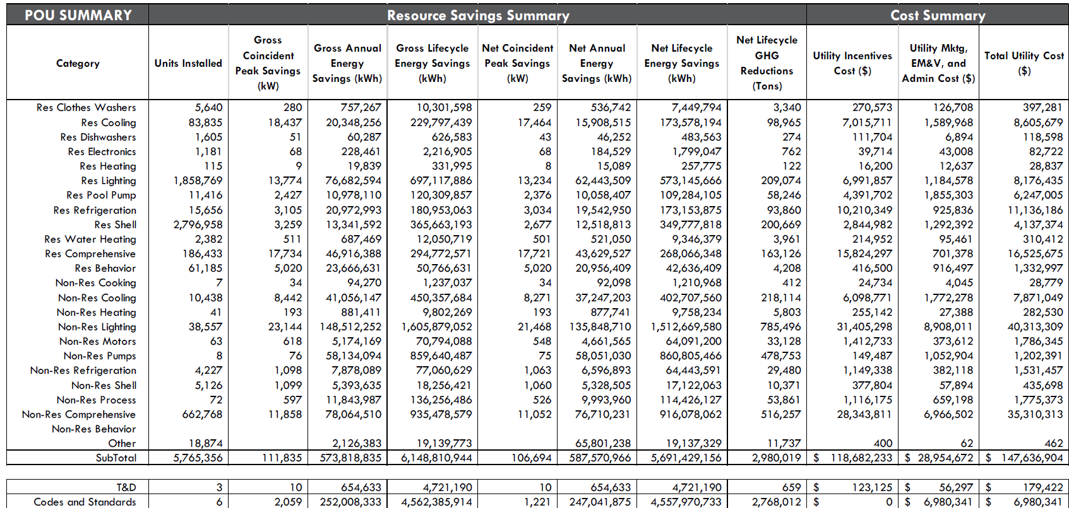

from 2017 POU EE Report SB1037

