Home


SB 350 ENERGY SAVINGS POTENTIAL
NON-UTILITY PROGRAM TECHNICAL ASSESSMENT
PROGRAM DATA WORKBOOK

Local Government Challenge
Reference Document: | Appendix A6 - Local Government Challenge
Contract: | California Energy Commission 400-15-012
Prepared by: | NORESCO, TRC Energy Services, Center for Sustainable Energy
Revised: | 2017-08-21

DISCLAIMER
This workbook was prepared as the result of work sponsored by the California Energy Commission. It does not necessarily represent the views of the Energy Commission, its employees, or the State of California. The Energy Commission, the State of California, its employees, contractors, and subcontractors make no warrant, express or implied, and assume no legal liability for the information in this report; nor does any party represent that the uses of this information will not infringe upon privately owned rights. This workbook has not been approved or disapproved by the California Energy Commission nor has the California Energy Commission passed upon the accuracy or adequacy of the information in this report.

Workbook Tab Definition
Program Analysis | This tab presents an overview of the program, high-level assumptions, and general calculation methods.
SB 350 Potential | This tab summarizes the non-utility energy savings potential for each scenario by building sector.
Reference | This tab shows the "reference" case of the analysis which assumes business-as-usual trends.
Conservative | This tab shows the "conservative" case of the analysis built upon the "reference" case.
Reference | This tab shows the "aggressive" case of the analysis built upon the "reference" case.
Graph (electricity) | This graph shows the SB 350 electricity savings potential by scenario, for both residential and nonresidential sectors.
Graph (gas) | This graph shows the SB 350 natural gas savings potential by scenario, for both residential and nonresidential sectors.
BEARS Worksheet | This tab contains the raw data and processed data that contributed to the analysis.
LGC Worksheet | This tab contains the raw data and processed data that contributed to the analysis.
LGC Conservative | This tab contains the raw data and processed data that contributed to the analysis.
GHG Assumptions | This tab contains the sources of greenhouse gas to electricity and gas savings conversion factors.

Acronym Definition
GWh | Gigawatt hours
MM Therms | Million therms
SB 350 | Senate Bill 350
LGC | Local Government Challenge
AAEE | AAEE is defined as energy savings not yet considered committed but deemed likely to occur, including future updates of building codes, appliance regulations, and utility efficiency programs
Residential | Single family and multi-family buildings
Non-residential | Commercial and public buildings, excluding industrial and agriculture.

Graph (electricity)
 | Conservative | Reference | Aggressive
2019 | - | - | -
2020 | - | - | -
2021 | 2.4 | 4.4 | 4.4
2022 | 4.8 | 8.9 | 8.9
2023 | 7.2 | 13.3 | 13.3
2024 | 9.5 | 17.6 | 21.3
2025 | 11.8 | 21.8 | 29.4
2026 | 14.1 | 26.1 | 37.4
2027 | 16.4 | 30.2 | 49.0
2028 | 18.6 | 34.4 | 60.5
2029 | 20.8 | 38.3 | 71.9

Graph (gas)
 | Conservative | Reference | Aggressive
2019 | - | - | -
2020 | - | - | -
2021 | 0.1 | 0.2 | 0.2
2022 | 0.2 | 0.3 | 0.3
2023 | 0.3 | 0.5 | 0.5
2024 | 0.5 | 0.6 | 0.8
2025 | 0.6 | 0.8 | 1.0
2026 | 0.7 | 0.9 | 1.3
2027 | 0.8 | 1.1 | 1.7
2028 | 0.9 | 1.2 | 2.2
2029 | 1.0 | 1.3 | 2.6

GHG Assumptions
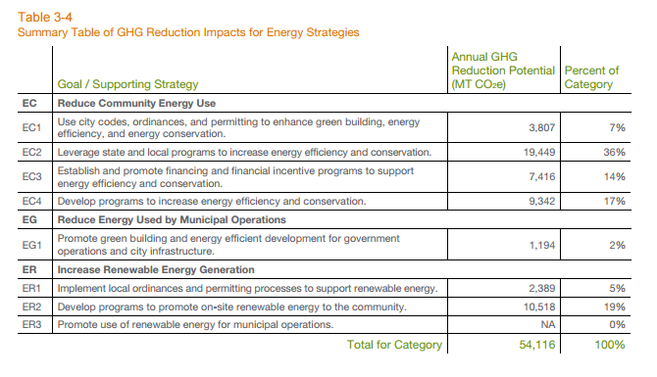

Reference: City of Pleasanton, 2015 Cimate Action Plan

GHG Reduction: |  |  | 40014 | MT CO2e

Annual Potential |  |  | 40,000 | MT CO2e

Population: |  |  | 74982 | (Jan 2016 estimate)

Annual Potential per capita |  |  | 0.53346136406 | MT CO2e/person

This is an esimtate from a City CAP not included in the proposal. However, it is very detailed and provides insight on buildings-related GHG potential.

First year savings from buildings built in 2017; assumes 353 MTCO2e/GWh and 5,303 MTCO2e/MMTherm

Notes:
1. Insufficient information is available to generate detailed estimates for any of the Climate Action Plans (CAP). The approach here is to use a detailed CAP report from the City of Pleasanton and apply to the cities in this program.
2. The Pleasanton Study estimates a fraction of GHG reductions attributable to building energy efficiency, renewables, transportation and other sources.
3. For the Level 1 estimate, we use this breakdown and industry-published average conversion factors.
4. First year savings from buildings built in 2017; assumes 353 MTCO2e/GWh and 5,303 MTCO2e/MMTherm
Do Climate Action Plans cover only municipal buildings, or residential and other commrecial as well?

Factors: | POPULATION
Risks | DAC STATUS
Scalability | Adelanto | 32,226
 | Barstow | 22,639
 | Big Bear Lake | 5,109
 | Hesperia | 92,147
 | Needles | 4,926
 | Twentynine Palms | 25,768
 | Victorville | 121,096
 | Yucca Valley | 21,132
 | SBCOG Total | 303,911

