Admin Info
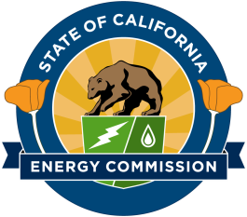
State of California
California Energy Commission
ELECTRICITY RESOURCE PLANNING FORMS
Administrative Information

Name of Load Serving Entity ("LSE") | Clean Power Alliance of Southern California
Name of Resource Planning Coordinator

Persons who prepared Supply Forms | S-1 Requirement | S-2 Supply | S-2 Addendum | S-3 Small POU Hourly Loads | S-5 Bilateral Contracts | Application for Confidentiality
Name: | Annie Gustafson | Annie Gustafson | Annie Gustafson | N/A | Annie Gustafson
Title: | Advisor, Power Supply and Compliance | Advisor, Power Supply and Compliance | Advisor, Power Supply and Compliance | N/A | Advisor, Power Supply and Compliance
E-mail: | agustafson@cleanpoweralliance.org | agustafson@cleanpoweralliance.org | agustafson@cleanpoweralliance.org | N/A | agustafson@cleanpoweralliance.org
Telephone: | (714) 600-2274 | (714) 600-2274 | (714) 600-2274 | N/A | (714) 600-2274
Address: | 801 S Grand Ave | 801 S Grand Ave | 801 S Grand Ave | N/A | 801 S Grand Ave
Address 2: | Suite 400 | Suite 400 | Suite 400 | N/A | Suite 400
City: | Los Angeles | Los Angeles | Los Angeles | N/A | Los Angeles
State: | CA | CA | CA | N/A | CA
Zip: | 90017 | 90017 | 90017 | N/A | 90017
Date Completed:
Date Updated by LSE:
Back-up / Additional Contact Persons for Questions about these Forms (Optional):
Name:
Title:
E-mail:
Telephone:
Address:
Address 2:
City:
State:
Zip:

