Welcome
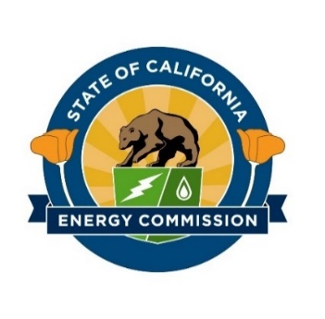
California Energy Commission
Offshore Wind in California
DRAFT Global Offshore Wind Research Database
2020-03-06

DISCLAIMER: This document was prepared by Navigant, a Guidehouse Company exclusively for the benefit and internal use of the California Energy Commission (CEC) and/or its affiliates. The work presented in this report represents our best efforts and judgments based on the information available at the time this report was prepared. Navigant Consulting, Inc. is not responsible for the reader’s use of, or reliance upon, the report, nor any decisions based on the report. NAVIGANT. MAKES NO REPRESENTATIONS OR WARRANTIES, EXPRESSED OR IMPLIED. Users of this document are advised that they assume all liabilities incurred by them, or third parties, as a result of their reliance on the report, or the data, information, findings and opinions contained in the document.

This workbook aggregates publicly announced research efforts in the offshore wind industry started or completed between January 2017 and January 2020. Select technical and market reports completed prior to 2017 are included, while journal articles, white papers, and conference dockets are generally excluded for all time periods. Publicly funded initiatives conducted within the United States are prioritized, with global research efforts potentially applicable to the California market added. Research initiatives are categorized into ten themes, described below.

RESEARCH THEME DEFINITIONS
Project-Specific Report - Report detailing performance of a single offshore wind project or demonstration technology
Industry Overview - General market or research overview of a state, country, or the global market containing multiple thematic components
Physical Technology - Technology research into core component improvements, including platforms, turbines, mooring, cabling, and anchoring systems
Monitoring and Optimization - Software and data solutions to reduce project cost through advanced technologies supporting installation, operation, and maintenance
Environmental - Studies around ecosystem impacts, including marine mammals, birds, migratory species, and fishery stock
Community Impact - Compatibility of wind with other stakeholders, including fisheries, environmental stakeholders, local communities, and the military
Siting or Feasibility Study - Research on wind resource, physical environment, and technical feasibility of particular wind energy sites, including LiDAR and metocean data collection
Policy & Regulatory - Regulatory processes, permit mapping, and recommendations for policy initiatives to support offshore wind
Infrastructure, Workforce, & Supply Chain - Review of physical infrastructure (e.g., ports, transmission cables, vessel stock), manufacturing, and job creation and local content
Project Economics & Grid Impacts - LCOE studies, project financing, and economic analyses surrounding efficient resource portfolios and grid impact of offshore resources

