Form 4
FORM 4

Form 4 should be provided in a separate attachment in .doc or .pdf format.

Form 6
FORM 6

Form 6 should be provided in a separate attachment in .doc or .pdf format.

Redding Financial Statements
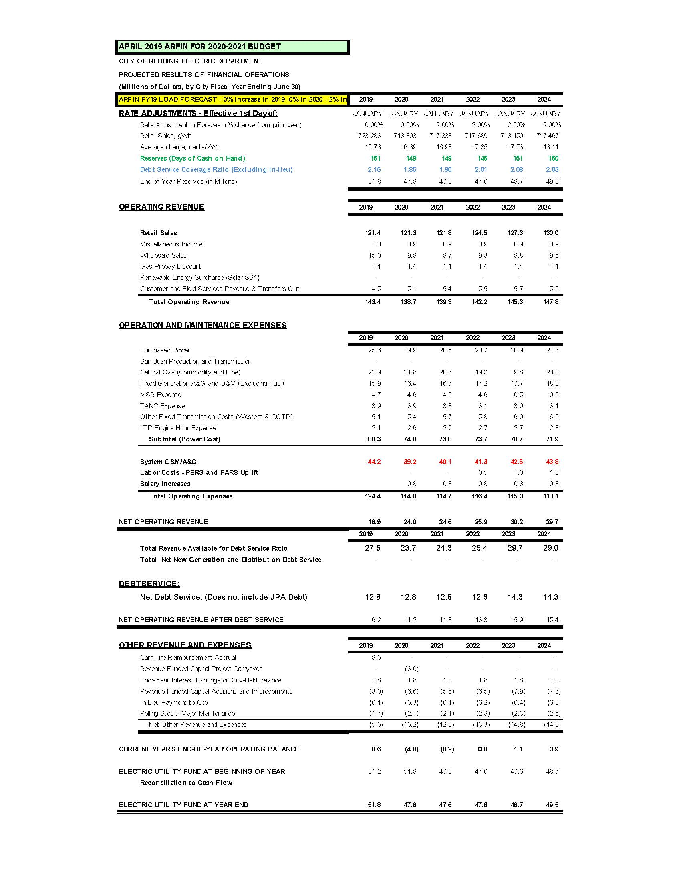
City of Redding - Redding Electric Utility
Financial Statements

